Figure 3.1
 | Figure 3.1
 | Lowest | Used in our calculations | Highest
1860
1861
1862 | 3.00 | 3.00 | 3.00
1863 | 3.00 | 3.00 | 3.00
1864 | 3.00 | 3.00 | 3.00
1865 | 3.00 | 3.00 | 3.00
1866 | 3.00 | 3.00 | 3.00
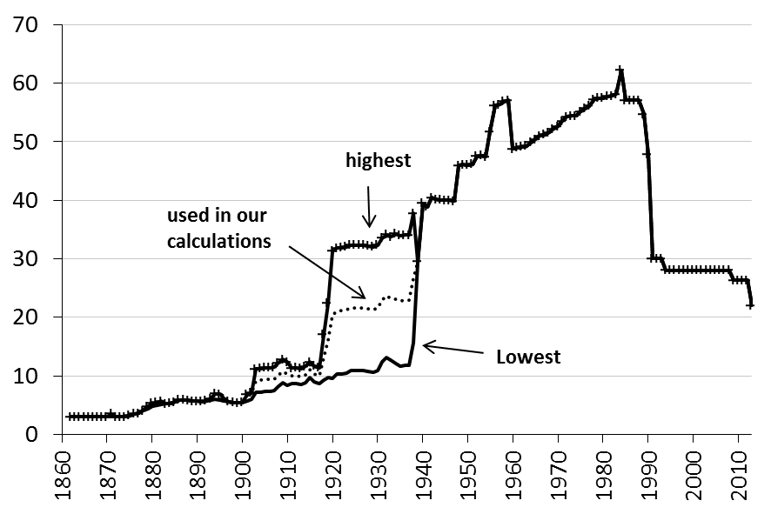
1867 | 3.00 | 3.00 | 3.00
1868 | 3.00 | 3.00 | 3.00
1869 | 3.00 | 3.00 | 3.00
1870 | 3.00 | 3.00 | 3.00
1871 | 3.00 | 3.50 | 3.50
1872 | 3.00 | 3.00 | 3.00
1873 | 3.00 | 3.00 | 3.00
1874 | 3.00 | 3.00 | 3.00
1875 | 3.18 | 3.18 | 3.18
1876 | 3.51 | 3.51 | 3.51
1877 | 3.60 | 3.60 | 3.60
1878 | 4.05 | 4.05 | 4.05
1879 | 4.29 | 4.79 | 4.79
1880 | 4.76 | 5.26 | 5.26
1881 | 4.93 | 5.43 | 5.43
1882 | 5.13 | 5.63 | 5.63
1883 | 5.21 | 5.21 | 5.21
1884 | 5.33 | 5.33 | 5.33
1885 | 5.52 | 5.52 | 5.52
1886 | 5.88 | 5.88 | 5.88
1887 | 5.86 | 5.86 | 5.86
1888 | 5.78 | 5.78 | 5.78
1889 | 5.66 | 5.66 | 5.66
1890 | 5.64 | 5.64 | 5.64
1891 | 5.60 | 5.60 | 5.60
1892 | 5.74 | 5.74 | 5.74
1893 | 5.84 | 6.14 | 6.14
1894 | 5.94 | 6.94 | 6.94
1895 | 5.84 | 6.84 | 6.84
1896 | 5.73 | 6.03 | 6.03
1897 | 5.62 | 5.62 | 5.62
1898 | 5.47 | 5.47 | 5.47
1899 | 5.33 | 5.33 | 5.33
1900 | 5.44 | 5.44 | 5.44
1901 | 5.76 | 6.76 | 6.76
1902 | 6.05 | 7.05 | 7.05
1903 | 7.17 | 9.17 | 11.17
1904 | 7.21 | 9.21 | 11.21
1905 | 7.37 | 9.37 | 11.37
1906 | 7.36 | 9.36 | 11.36
1907 | 7.44 | 9.44 | 11.44
1908 | 8.20 | 10.20 | 12.20
1909 | 8.81 | 10.81 | 12.81
1910 | 8.34 | 10.34 | 12.34
1911 | 8.65 | 10.00 | 11.35
1912 | 8.71 | 10.06 | 11.41
1913 | 8.57 | 9.92 | 11.27
1914 | 8.88 | 10.23 | 11.58
1915 | 9.65 | 11.00 | 12.35
1916 | 8.96 | 10.31 | 11.66
1917 | 8.69 | 10.04 | 11.39
1918 | 9.33 | 13.18 | 17.03
1919 | 9.68 | 16.03 | 22.38
1920 | 9.62 | 20.47 | 31.32
1921 | 10.27 | 21.05 | 31.84
1922 | 10.31 | 21.09 | 31.87
1923 | 10.52 | 21.28 | 32.04
1924 | 10.85 | 21.58 | 32.31
1925 | 10.87 | 21.60 | 32.33
1926 | 10.90 | 21.63 | 32.35
1927 | 10.88 | 21.61 | 32.33
1928 | 10.72 | 21.46 | 32.20
1929 | 10.54 | 21.30 | 32.06
1930 | 10.92 | 21.64 | 32.36
1931 | 12.33 | 22.91 | 33.49
1932 | 13.10 | 23.61 | 34.11
1933 | 12.62 | 23.17 | 33.73
1934 | 12.05 | 23.15 | 34.25
1935 | 11.71 | 22.85 | 33.98
1936 | 11.75 | 22.88 | 34.01
1937 | 11.75 | 22.88 | 34.01
1938 | 15.68 | 26.72 | 37.76
1939 | 29.51 | 29.51 | 29.51
1940 | 39.50 | 39.50 | 39.50
1941 | 38.87 | 38.87 | 38.87
1942 | 40.42 | 40.42 | 40.42
1943 | 40.14 | 40.14 | 40.14
1944 | 40.07 | 40.07 | 40.07
1945 | 40.00 | 40.00 | 40.00
1946 | 40.00 | 40.00 | 40.00
1947 | 39.84 | 39.84 | 39.84
1948 | 45.90 | 45.90 | 45.90
1949 | 46.07 | 46.07 | 46.07
1950 | 45.98 | 45.98 | 45.98
1951 | 46.11 | 46.11 | 46.11
1952 | 47.52 | 47.52 | 47.52
1953 | 47.63 | 47.63 | 47.63
1954 | 47.43 | 47.43 | 47.43
1955 | 51.73 | 51.73 | 51.73
1956 | 56.18 | 56.18 | 56.18
1957 | 56.30 | 56.30 | 56.30
1958 | 56.84 | 56.84 | 56.84
1959 | 57.10 | 57.10 | 57.10
1960 | 48.78 | 48.78 | 48.78
1961 | 49.00 | 49.00 | 49.00
1962 | 49.14 | 49.14 | 49.14
1963 | 49.28 | 49.28 | 49.28
1964 | 49.90 | 49.90 | 49.90
1965 | 50.35 | 50.35 | 50.35
1966 | 50.97 | 50.97 | 50.97
1967 | 51.23 | 51.23 | 51.23
1968 | 51.60 | 51.60 | 51.60
1969 | 52.14 | 52.14 | 52.14
1970 | 52.60 | 52.60 | 52.60
1971 | 53.52 | 53.52 | 53.52
1972 | 54.27 | 54.27 | 54.27
1973 | 54.36 | 54.36 | 54.36
1974 | 54.42 | 54.42 | 54.42
1975 | 55.14 | 55.14 | 55.14
1976 | 55.69 | 55.69 | 55.69
1977 | 56.11 | 56.11 | 56.11
1978 | 57.23 | 57.23 | 57.23
1979 | 57.41 | 57.41 | 57.41
1980 | 57.45 | 57.45 | 57.45
1981 | 57.73 | 57.73 | 57.73
1982 | 57.84 | 57.84 | 57.84
1983 | 58.09 | 58.09 | 58.09
1984 | 62.20 | 62.20 | 62.20
1985 | 57.10 | 57.10 | 57.10
1986 | 57.10 | 57.10 | 57.10
1987 | 57.10 | 57.10 | 57.10
1988 | 57.10 | 57.10 | 57.10
1989 | 54.70 | 54.70 | 54.70
1990 | 47.80 | 47.80 | 47.80
1991 | 30.00 | 30.00 | 30.00
1992 | 30.00 | 30.00 | 30.00
1993 | 30.00 | 30.00 | 30.00
1994 | 28.00 | 28.00 | 28.00
1995 | 28.00 | 28.00 | 28.00
1996 | 28.00 | 28.00 | 28.00
1997 | 28.00 | 28.00 | 28.00
1998 | 28.00 | 28.00 | 28.00
1999 | 28.00 | 28.00 | 28.00
2000 | 28.00 | 28.00 | 28.00
2001 | 28.00 | 28.00 | 28.00
2002 | 28.00 | 28.00 | 28.00
2003 | 28.00 | 28.00 | 28.00
2004 | 28.00 | 28.00 | 28.00
2005 | 28.00 | 28.00 | 28.00
2006 | 28.00 | 28.00 | 28.00
2007 | 28.00 | 28.00 | 28.00
2008 | 28.00 | 28.00 | 28.00
2009 | 26.30 | 26.30 | 26.30
2010 | 26.30 | 26.30 | 26.30
2011 | 26.30 | 26.30 | 26.30
2012 | 26.30 | 26.30 | 26.30
2013 | 22.00 | 22.00 | 22.00

Figure 3.2
 | Figure 3.2
 | 0.67 APW | 1 APW | 1.67 APW | Top
1860
1861
1862 | 2.0 | 3.0 | 3.0 | 3.0
1863 | 2.0 | 3.0 | 3.0 | 3.0
1864 | 2.0 | 3.0 | 3.0 | 3.0
1865 | 2.0 | 3.0 | 3.0 | 3.0
1866 | 2.0 | 2.0 | 3.0 | 3.0
1867 | 2.0 | 2.0 | 3.0 | 3.0
1868 | 2.0 | 2.0 | 3.0 | 3.0
1869 | 2.0 | 2.0 | 3.0 | 3.0
1870 | 2.0 | 2.0 | 3.0 | 3.0
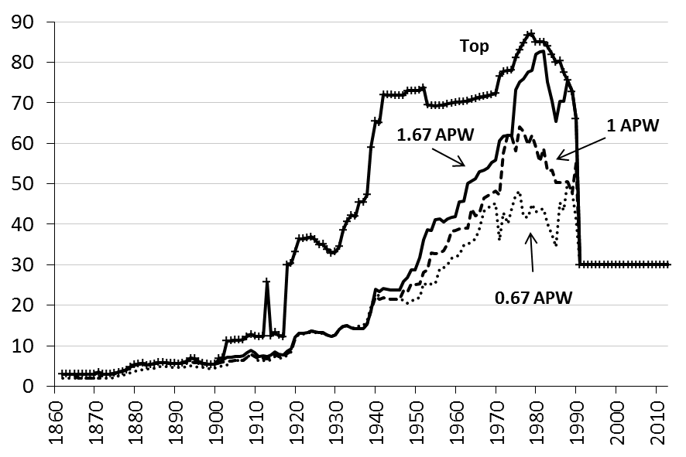
1871 | 2.0 | 2.0 | 3.5 | 3.5
1872 | 2.0 | 3.0 | 3.0 | 3.0
1873 | 2.0 | 3.0 | 3.0 | 3.0
1874 | 2.0 | 3.0 | 3.0 | 3.0
1875 | 2.2 | 3.2 | 3.2 | 3.2
1876 | 2.5 | 3.5 | 3.5 | 3.5
1877 | 2.6 | 3.6 | 3.6 | 3.6
1878 | 3.0 | 4.0 | 4.0 | 4.0
1879 | 3.3 | 4.8 | 4.8 | 4.8
1880 | 3.8 | 5.3 | 5.3 | 5.3
1881 | 3.9 | 5.4 | 5.4 | 5.4
1882 | 4.1 | 5.6 | 5.6 | 5.6
1883 | 4.2 | 5.2 | 5.2 | 5.2
1884 | 4.3 | 5.3 | 5.3 | 5.3
1885 | 4.5 | 5.5 | 5.5 | 5.5
1886 | 4.9 | 5.9 | 5.9 | 5.9
1887 | 4.9 | 5.9 | 5.9 | 5.9
1888 | 4.8 | 5.8 | 5.8 | 5.8
1889 | 4.7 | 5.7 | 5.7 | 5.7
1890 | 4.6 | 5.6 | 5.6 | 5.6
1891 | 4.6 | 5.6 | 5.6 | 5.6
1892 | 4.7 | 5.7 | 5.7 | 5.7
1893 | 4.8 | 5.8 | 6.1 | 6.1
1894 | 4.9 | 5.9 | 6.9 | 6.9
1895 | 4.8 | 5.8 | 6.8 | 6.8
1896 | 4.7 | 5.7 | 5.7 | 6.0
1897 | 4.6 | 5.6 | 5.6 | 5.6
1898 | 4.5 | 5.5 | 5.5 | 5.5
1899 | 4.3 | 5.3 | 5.3 | 5.3
1900 | 4.4 | 5.4 | 5.4 | 5.4
1901 | 4.8 | 5.8 | 5.8 | 6.8
1902 | 5.0 | 6.0 | 6.5 | 7.0
1903 | 5.2 | 6.2 | 7.2 | 11.2
1904 | 6.2 | 6.2 | 7.2 | 11.2
1905 | 6.4 | 6.4 | 7.4 | 11.4
1906 | 6.4 | 6.4 | 7.4 | 11.4
1907 | 6.4 | 6.4 | 7.4 | 11.4
1908 | 7.2 | 7.2 | 8.2 | 12.2
1909 | 7.8 | 7.8 | 8.8 | 12.8
1910 | 7.3 | 7.3 | 8.3 | 12.3
1911 | 6.2 | 6.8 | 7.2 | 12.2
1912 | 6.3 | 6.9 | 7.5 | 12.3
1913 | 6.2 | 6.8 | 7.4 | 25.7
1914 | 6.5 | 7.1 | 7.7 | 12.5
1915 | 7.3 | 7.9 | 8.5 | 13.3
1916 | 7.0 | 7.4 | 8.0 | 12.6
1917 | 6.9 | 7.3 | 7.7 | 12.3
1918 | 7.7 | 8.1 | 8.7 | 29.9
1919 | 8.5 | 8.7 | 9.3 | 30.3
1920 | 11.7 | 11.8 | 12.1 | 33.3
1921 | 12.9 | 13.0 | 13.0 | 36.4
1922 | 12.9 | 13.0 | 13.0 | 36.5
1923 | 13.1 | 13.2 | 13.2 | 36.6
1924 | 13.5 | 13.5 | 13.5 | 36.9
1925 | 13.3 | 13.4 | 13.4 | 36.2
1926 | 13.1 | 13.2 | 13.2 | 35.0
1927 | 13.1 | 13.2 | 13.2 | 35.1
1928 | 12.6 | 12.7 | 12.7 | 33.8
1929 | 12.3 | 12.3 | 12.3 | 32.9
1930 | 12.7 | 12.7 | 12.7 | 33.1
1931 | 14.1 | 14.1 | 14.1 | 34.5
1932 | 14.8 | 14.8 | 14.8 | 38.5
1933 | 14.9 | 14.9 | 14.9 | 40.7
1934 | 14.5 | 14.5 | 14.5 | 42.2
1935 | 14.2 | 14.2 | 14.2 | 42.0
1936 | 15.0 | 14.2 | 14.2 | 45.4
1937 | 15.0 | 14.2 | 14.2 | 45.4
1938 | 16.2 | 15.4 | 15.4 | 47.3
1939 | 19.5 | 18.7 | 18.7 | 59.0
1940 | 23.0 | 22.2 | 24.0 | 65.4
1941 | 22.3 | 21.5 | 23.3 | 65.1
1942 | 21.9 | 21.9 | 24.2 | 72.0
1943 | 21.6 | 21.6 | 23.9 | 71.9
1944 | 21.6 | 21.6 | 23.8 | 71.9
1945 | 21.5 | 21.5 | 23.7 | 71.9
1946 | 21.5 | 21.5 | 23.7 | 71.9
1947 | 21.3 | 23.6 | 25.8 | 71.8
1948 | 20.6 | 23.2 | 26.8 | 72.9
1949 | 20.8 | 25.3 | 28.8 | 73.0
1950 | 21.6 | 25.1 | 28.7 | 73.0
1951 | 21.8 | 25.3 | 31.7 | 73.1
1952 | 25.5 | 28.1 | 36.1 | 73.8
1953 | 25.0 | 28.8 | 38.6 | 69.5
1954 | 25.3 | 32.9 | 38.4 | 69.3
1955 | 25.2 | 32.8 | 41.2 | 69.3
1956 | 29.1 | 32.9 | 41.3 | 69.3
1957 | 29.3 | 33.5 | 40.6 | 69.4
1958 | 30.1 | 35.3 | 41.3 | 69.8
1959 | 31.6 | 38.2 | 41.7 | 70.0
1960 | 32.0 | 38.5 | 41.9 | 70.1
1961 | 32.3 | 38.8 | 45.6 | 70.3
1962 | 34.9 | 39.0 | 45.8 | 70.3
1963 | 35.1 | 39.1 | 50.1 | 70.4
1964 | 35.9 | 43.9 | 50.7 | 70.8
1965 | 36.4 | 42.1 | 51.2 | 71.0
1966 | 38.8 | 42.7 | 52.9 | 71.4
1967 | 43.3 | 46.4 | 53.4 | 71.5
1968 | 44.1 | 47.1 | 54.0 | 71.8
1969 | 44.7 | 47.7 | 55.3 | 72.1
1970 | 45.2 | 48.2 | 55.8 | 72.4
1971 | 35.9 | 47.3 | 60.6 | 76.5
1972 | 42.8 | 57.7 | 61.8 | 77.8
1973 | 40.1 | 62.3 | 61.9 | 77.9
1974 | 43.9 | 61.6 | 62.0 | 78.0
1975 | 47.2 | 58.2 | 73.2 | 81.2
1976 | 48.2 | 64.2 | 75.2 | 83.2
1977 | 41.9 | 62.9 | 75.9 | 84.9
1978 | 41.7 | 59.7 | 77.7 | 86.7
1979 | 45.0 | 62.0 | 78.0 | 87.0
1980 | 43.1 | 59.1 | 82.1 | 85.0
1981 | 43.6 | 55.6 | 82.6 | 85.0
1982 | 43.7 | 58.7 | 82.7 | 85.0
1983 | 40.2 | 53.2 | 75.2 | 84.0
1984 | 37.3 | 53.3 | 70.3 | 82.0
1985 | 34.4 | 50.4 | 65.4 | 80.0
1986 | 45.3 | 50.3 | 70.3 | 80.3
1987 | 43.4 | 50.4 | 70.4 | 77.4
1988 | 50.6 | 50.6 | 75.6 | 75.6
1989 | 47.8 | 47.8 | 72.8 | 72.8
1990 | 41.2 | 55.2 | 66.2 | 66.2
1991 | 30.0 | 30.0 | 30.0 | 30.0
1992 | 30.0 | 30.0 | 30.0 | 30.0
1993 | 30.0 | 30.0 | 30.0 | 30.0
1994 | 30.0 | 30.0 | 30.0 | 30.0
1995 | 30.0 | 30.0 | 30.0 | 30.0
1996 | 30.0 | 30.0 | 30.0 | 30.0
1997 | 30.0 | 30.0 | 30.0 | 30.0
1998 | 30.0 | 30.0 | 30.0 | 30.0
1999 | 30.0 | 30.0 | 30.0 | 30.0
2000 | 30.0 | 30.0 | 30.0 | 30.0
2001 | 30.0 | 30.0 | 30.0 | 30.0
2002 | 30.0 | 30.0 | 30.0 | 30.0
2003 | 30.0 | 30.0 | 30.0 | 30.0
2004 | 30.0 | 30.0 | 30.0 | 30.0
2005 | 30.0 | 30.0 | 30.0 | 30.0
2006 | 30.0 | 30.0 | 30.0 | 30.0
2007 | 30.0 | 30.0 | 30.0 | 30.0
2008 | 30.0 | 30.0 | 30.0 | 30.0
2009 | 30.0 | 30.0 | 30.0 | 30.0
2010 | 30.0 | 30.0 | 30.0 | 30.0
2011 | 30.0 | 30.0 | 30.0 | 30.0
2012 | 30.0 | 30.0 | 30.0 | 30.0
2013 | 30.0 | 30.0 | 30.0 | 30.0

Figure 3.3
 | Figure 3.3
 | 0.67 APW | 1 APW | 1.67 APW | Top
1860
1861
1862 | 0.0 | 0.0 | 0.0 | 0.0
1863 | 0.0 | 0.0 | 0.0 | 0.0
1864 | 0.0 | 0.0 | 0.0 | 0.0
1865 | 0.0 | 0.0 | 0.0 | 0.0
1866 | 0.0 | 0.0 | 0.0 | 0.0
1867 | 0.0 | 0.0 | 0.0 | 0.0
1868 | 0.0 | 0.0 | 0.0 | 0.0
1869 | 0.0 | 0.0 | 0.0 | 0.0
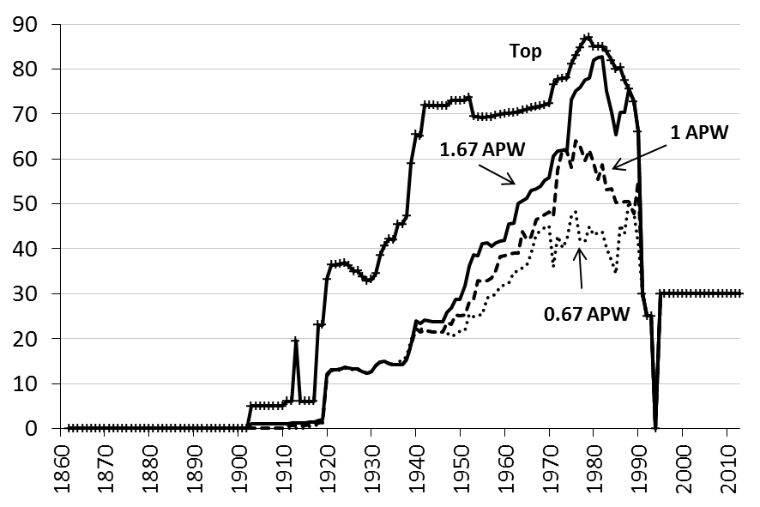
1870 | 0.0 | 0.0 | 0.0 | 0.0
1871 | 0.0 | 0.0 | 0.0 | 0.0
1872 | 0.0 | 0.0 | 0.0 | 0.0
1873 | 0.0 | 0.0 | 0.0 | 0.0
1874 | 0.0 | 0.0 | 0.0 | 0.0
1875 | 0.0 | 0.0 | 0.0 | 0.0
1876 | 0.0 | 0.0 | 0.0 | 0.0
1877 | 0.0 | 0.0 | 0.0 | 0.0
1878 | 0.0 | 0.0 | 0.0 | 0.0
1879 | 0.0 | 0.0 | 0.0 | 0.0
1880 | 0.0 | 0.0 | 0.0 | 0.0
1881 | 0.0 | 0.0 | 0.0 | 0.0
1882 | 0.0 | 0.0 | 0.0 | 0.0
1883 | 0.0 | 0.0 | 0.0 | 0.0
1884 | 0.0 | 0.0 | 0.0 | 0.0
1885 | 0.0 | 0.0 | 0.0 | 0.0
1886 | 0.0 | 0.0 | 0.0 | 0.0
1887 | 0.0 | 0.0 | 0.0 | 0.0
1888 | 0.0 | 0.0 | 0.0 | 0.0
1889 | 0.0 | 0.0 | 0.0 | 0.0
1890 | 0.0 | 0.0 | 0.0 | 0.0
1891 | 0.0 | 0.0 | 0.0 | 0.0
1892 | 0.0 | 0.0 | 0.0 | 0.0
1893 | 0.0 | 0.0 | 0.0 | 0.0
1894 | 0.0 | 0.0 | 0.0 | 0.0
1895 | 0.0 | 0.0 | 0.0 | 0.0
1896 | 0.0 | 0.0 | 0.0 | 0.0
1897 | 0.0 | 0.0 | 0.0 | 0.0
1898 | 0.0 | 0.0 | 0.0 | 0.0
1899 | 0.0 | 0.0 | 0.0 | 0.0
1900 | 0.0 | 0.0 | 0.0 | 0.0
1901 | 0.0 | 0.0 | 0.0 | 0.0
1902 | 0.0 | 0.0 | 0.0 | 0.0
1903 | 0.0 | 0.0 | 1.0 | 5.0
1904 | 0.0 | 0.0 | 1.0 | 5.0
1905 | 0.0 | 0.0 | 1.0 | 5.0
1906 | 0.0 | 0.0 | 1.0 | 5.0
1907 | 0.0 | 0.0 | 1.0 | 5.0
1908 | 0.0 | 0.0 | 1.0 | 5.0
1909 | 0.0 | 0.0 | 1.0 | 5.0
1910 | 0.0 | 0.0 | 1.0 | 5.0
1911 | 0.0 | 0.6 | 1.0 | 6.0
1912 | 0.0 | 0.6 | 1.2 | 6.0
1913 | 0.0 | 0.6 | 1.2 | 19.5
1914 | 0.0 | 0.6 | 1.2 | 6.0
1915 | 0.0 | 0.6 | 1.2 | 6.0
1916 | 0.4 | 0.8 | 1.4 | 6.0
1917 | 0.6 | 1.0 | 1.4 | 6.0
1918 | 0.8 | 1.2 | 1.8 | 23.0
1919 | 1.2 | 1.4 | 2.0 | 23.0
1920 | 11.7 | 11.8 | 12.1 | 33.3
1921 | 12.9 | 13.0 | 13.0 | 36.4
1922 | 12.9 | 13.0 | 13.0 | 36.5
1923 | 13.1 | 13.2 | 13.2 | 36.6
1924 | 13.5 | 13.5 | 13.5 | 36.9
1925 | 13.3 | 13.4 | 13.4 | 36.2
1926 | 13.1 | 13.2 | 13.2 | 35.0
1927 | 13.1 | 13.2 | 13.2 | 35.1
1928 | 12.6 | 12.7 | 12.7 | 33.8
1929 | 12.3 | 12.3 | 12.3 | 32.9
1930 | 12.7 | 12.7 | 12.7 | 33.1
1931 | 14.1 | 14.1 | 14.1 | 34.5
1932 | 14.8 | 14.8 | 14.8 | 38.5
1933 | 14.9 | 14.9 | 14.9 | 40.7
1934 | 14.5 | 14.5 | 14.5 | 42.2
1935 | 14.2 | 14.2 | 14.2 | 42.0
1936 | 15.0 | 14.2 | 14.2 | 45.4
1937 | 15.0 | 14.2 | 14.2 | 45.4
1938 | 16.2 | 15.4 | 15.4 | 47.3
1939 | 19.5 | 18.7 | 18.7 | 59.0
1940 | 23.0 | 22.2 | 24.0 | 65.4
1941 | 22.3 | 21.5 | 23.3 | 65.1
1942 | 21.9 | 21.9 | 24.2 | 72.0
1943 | 21.6 | 21.6 | 23.9 | 71.9
1944 | 21.6 | 21.6 | 23.8 | 71.9
1945 | 21.5 | 21.5 | 23.7 | 71.9
1946 | 21.5 | 21.5 | 23.7 | 71.9
1947 | 21.3 | 23.6 | 25.8 | 71.8
1948 | 20.6 | 23.2 | 26.8 | 72.9
1949 | 20.8 | 25.3 | 28.8 | 73.0
1950 | 21.6 | 25.1 | 28.7 | 73.0
1951 | 21.8 | 25.3 | 31.7 | 73.1
1952 | 25.5 | 28.1 | 36.1 | 73.8
1953 | 25.0 | 28.8 | 38.6 | 69.5
1954 | 25.3 | 32.9 | 38.4 | 69.3
1955 | 25.2 | 32.8 | 41.2 | 69.3
1956 | 29.1 | 32.9 | 41.3 | 69.3
1957 | 29.3 | 33.5 | 40.6 | 69.4
1958 | 30.1 | 35.3 | 41.3 | 69.8
1959 | 31.6 | 38.2 | 41.7 | 70.0
1960 | 32.0 | 38.5 | 41.9 | 70.1
1961 | 32.3 | 38.8 | 45.6 | 70.3
1962 | 34.9 | 39.0 | 45.8 | 70.3
1963 | 35.1 | 39.1 | 50.1 | 70.4
1964 | 35.9 | 43.9 | 50.7 | 70.8
1965 | 36.4 | 42.1 | 51.2 | 71.0
1966 | 38.8 | 42.7 | 52.9 | 71.4
1967 | 43.3 | 46.4 | 53.4 | 71.5
1968 | 44.1 | 47.1 | 54.0 | 71.8
1969 | 44.7 | 47.7 | 55.3 | 72.1
1970 | 45.2 | 48.2 | 55.8 | 72.4
1971 | 35.9 | 47.3 | 60.6 | 76.5
1972 | 42.8 | 57.7 | 61.8 | 77.8
1973 | 40.1 | 62.3 | 61.9 | 77.9
1974 | 42.3 | 61.6 | 62.0 | 78.0
1975 | 47.2 | 58.2 | 73.2 | 81.2
1976 | 48.2 | 64.2 | 75.2 | 83.2
1977 | 41.9 | 62.9 | 75.9 | 84.9
1978 | 41.7 | 59.7 | 77.7 | 86.7
1979 | 45.0 | 62.0 | 78.0 | 87.0
1980 | 43.1 | 59.1 | 82.1 | 85.0
1981 | 43.6 | 55.6 | 82.6 | 85.0
1982 | 43.7 | 58.7 | 82.7 | 85.0
1983 | 40.2 | 53.2 | 75.2 | 84.0
1984 | 37.3 | 53.3 | 70.3 | 82.0
1985 | 34.4 | 50.4 | 65.4 | 80.0
1986 | 45.3 | 50.3 | 70.3 | 80.3
1987 | 43.4 | 50.4 | 70.4 | 77.4
1988 | 50.6 | 50.6 | 75.6 | 75.6
1989 | 47.8 | 47.8 | 72.8 | 72.8
1990 | 41.2 | 55.2 | 66.2 | 66.2
1991 | 30.0 | 30.0 | 30.0 | 30.0
1992 | 25.0 | 25.0 | 25.0 | 25.0
1993 | 25.0 | 25.0 | 25.0 | 25.0
1994 | 0.0 | 0.0 | 0.0 | 0.0
1995 | 30.0 | 30.0 | 30.0 | 30.0
1996 | 30.0 | 30.0 | 30.0 | 30.0
1997 | 30.0 | 30.0 | 30.0 | 30.0
1998 | 30.0 | 30.0 | 30.0 | 30.0
1999 | 30.0 | 30.0 | 30.0 | 30.0
2000 | 30.0 | 30.0 | 30.0 | 30.0
2001 | 30.0 | 30.0 | 30.0 | 30.0
2002 | 30.0 | 30.0 | 30.0 | 30.0
2003 | 30.0 | 30.0 | 30.0 | 30.0
2004 | 30.0 | 30.0 | 30.0 | 30.0
2005 | 30.0 | 30.0 | 30.0 | 30.0
2006 | 30.0 | 30.0 | 30.0 | 30.0
2007 | 30.0 | 30.0 | 30.0 | 30.0
2008 | 30.0 | 30.0 | 30.0 | 30.0
2009 | 30.0 | 30.0 | 30.0 | 30.0
2010 | 30.0 | 30.0 | 30.0 | 30.0
2011 | 30.0 | 30.0 | 30.0 | 30.0
2012 | 30.0 | 30.0 | 30.0 | 30.0
2013 | 30.0 | 30.0 | 30.0 | 30.0

Figure 3.4
 | Figure 3.4
 | 0.67 APW | 1 APW | 1.67 APW | Top
1960 | 0 | 0 | 0 | 0
1961 | 0 | 0 | 0 | 0
1962 | 0 | 0 | 0 | 0
1963 | 0 | 0 | 0 | 0
1964 | 0 | 0 | 0 | 0
1965 | 0 | 0 | 0 | 0
1966 | 9.7 | 10.7 | 13.2 | 17.9
1967 | 10.8 | 11.6 | 13.4 | 17.9
1968 | 11.0 | 11.8 | 13.5 | 17.9
1969 | 11.2 | 11.9 | 13.8 | 18.0
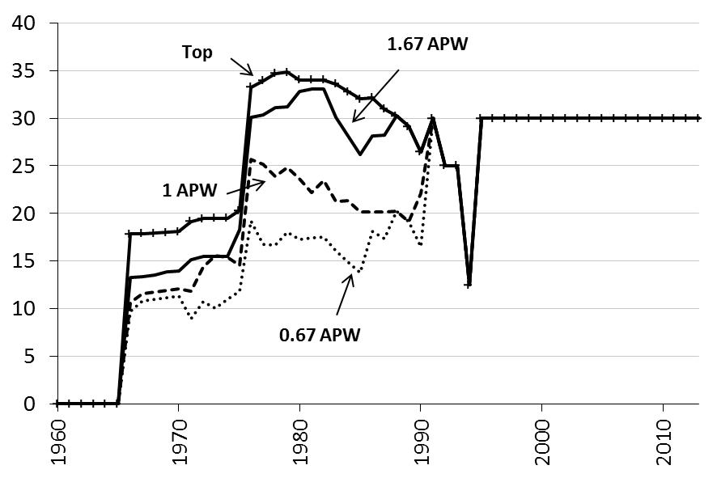
1970 | 11.3 | 12.1 | 13.9 | 18.1
1971 | 9.0 | 11.8 | 15.2 | 19.1
1972 | 10.7 | 14.4 | 15.4 | 19.4
1973 | 10.0 | 15.6 | 15.5 | 19.5
1974 | 11.0 | 15.4 | 15.5 | 19.5
1975 | 11.8 | 14.6 | 18.3 | 20.3
1976 | 19.3 | 25.7 | 30.1 | 33.3
1977 | 16.7 | 25.1 | 30.3 | 33.9
1978 | 16.7 | 23.9 | 31.1 | 34.7
1979 | 18.0 | 24.8 | 31.2 | 34.8
1980 | 17.2 | 23.6 | 32.8 | 34.0
1981 | 17.4 | 22.2 | 33.0 | 34.0
1982 | 17.5 | 23.5 | 33.1 | 34.0
1983 | 16.1 | 21.3 | 30.1 | 33.6
1984 | 14.9 | 21.3 | 28.1 | 32.8
1985 | 13.8 | 20.2 | 26.2 | 32.0
1986 | 18.1 | 20.1 | 28.1 | 32.1
1987 | 17.4 | 20.2 | 28.2 | 31.0
1988 | 20.2 | 20.2 | 30.2 | 30.2
1989 | 19.1 | 19.1 | 29.1 | 29.1
1990 | 16.5 | 22.1 | 26.5 | 26.5
1991 | 30 | 30 | 30 | 30
1992 | 25 | 25 | 25 | 25
1993 | 25 | 25 | 25 | 25
1994 | 12.5 | 12.5 | 12.5 | 12.5
1995 | 30 | 30 | 30 | 30
1996 | 30 | 30 | 30 | 30
1997 | 30 | 30 | 30 | 30
1998 | 30 | 30 | 30 | 30
1999 | 30 | 30 | 30 | 30
2000 | 30 | 30 | 30 | 30
2001 | 30 | 30 | 30 | 30
2002 | 30 | 30 | 30 | 30
2003 | 30 | 30 | 30 | 30
2004 | 30 | 30 | 30 | 30
2005 | 30 | 30 | 30 | 30
2006 | 30 | 30 | 30 | 30
2007 | 30 | 30 | 30 | 30
2008 | 30 | 30 | 30 | 30
2009 | 30 | 30 | 30 | 30
2010 | 30 | 30 | 30 | 30
2011 | 30 | 30 | 30 | 30
2012 | 30 | 30 | 30 | 30
2013 | 30 | 30 | 30 | 30

Figure 3.5
 | Figure 3.5
 | Lowest | Used in our calculations | Lowest
1930 | 0 | 0 | 0
1931 | 0 | 0 | 0
1932 | 0 | 0 | 0
1933 | 0 | 0 | 0
1934 | 0.1 | 0 | 0.5
1935 | 0.1 | 0 | 0.5
1936 | 0.1 | 0 | 0.5
1937 | 0.1 | 0 | 0.5
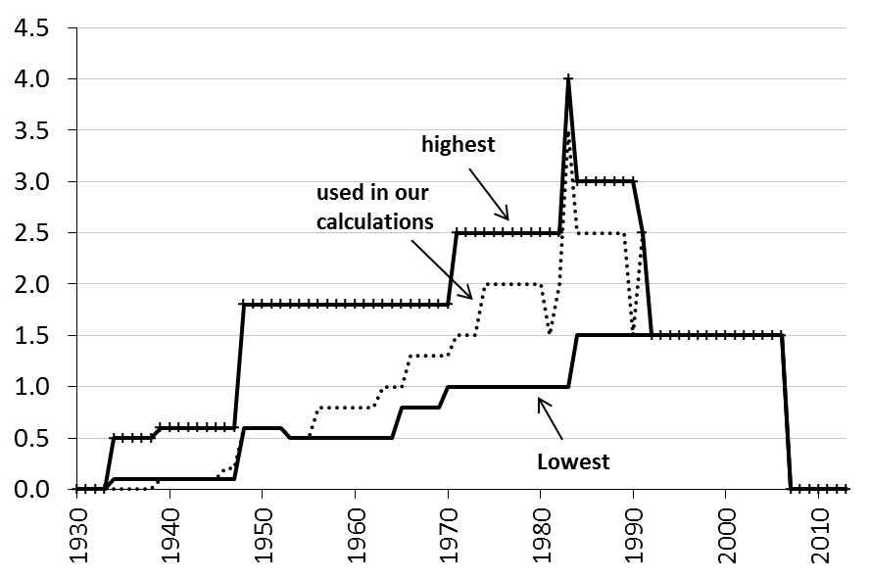
1938 | 0.1 | 0 | 0.5
1939 | 0.1 | 0.1 | 0.6
1940 | 0.1 | 0.1 | 0.6
1941 | 0.1 | 0.1 | 0.6
1942 | 0.1 | 0.1 | 0.6
1943 | 0.1 | 0.1 | 0.6
1944 | 0.1 | 0.1 | 0.6
1945 | 0.1 | 0.1 | 0.6
1946 | 0.1 | 0.2 | 0.6
1947 | 0.1 | 0.2 | 0.6
1948 | 0.6 | 0.6 | 1.8
1949 | 0.6 | 0.6 | 1.8
1950 | 0.6 | 0.6 | 1.8
1951 | 0.6 | 0.6 | 1.8
1952 | 0.6 | 0.6 | 1.8
1953 | 0.5 | 0.5 | 1.8
1954 | 0.5 | 0.5 | 1.8
1955 | 0.5 | 0.5 | 1.8
1956 | 0.5 | 0.8 | 1.8
1957 | 0.5 | 0.8 | 1.8
1958 | 0.5 | 0.8 | 1.8
1959 | 0.5 | 0.8 | 1.8
1960 | 0.5 | 0.8 | 1.8
1961 | 0.5 | 0.8 | 1.8
1962 | 0.5 | 0.8 | 1.8
1963 | 0.5 | 1 | 1.8
1964 | 0.5 | 1 | 1.8
1965 | 0.8 | 1 | 1.8
1966 | 0.8 | 1.3 | 1.8
1967 | 0.8 | 1.3 | 1.8
1968 | 0.8 | 1.3 | 1.8
1969 | 0.8 | 1.3 | 1.8
1970 | 1 | 1.3 | 1.8
1971 | 1 | 1.5 | 2.5
1972 | 1 | 1.5 | 2.5
1973 | 1 | 1.5 | 2.5
1974 | 1 | 2 | 2.5
1975 | 1 | 2 | 2.5
1976 | 1 | 2 | 2.5
1977 | 1 | 2 | 2.5
1978 | 1 | 2 | 2.5
1979 | 1 | 2 | 2.5
1980 | 1 | 2 | 2.5
1981 | 1 | 1.5 | 2.5
1982 | 1 | 2 | 2.5
1983 | 1 | 3.5 | 4
1984 | 1.5 | 2.5 | 3
1985 | 1.5 | 2.5 | 3
1986 | 1.5 | 2.5 | 3
1987 | 1.5 | 2.5 | 3
1988 | 1.5 | 2.5 | 3
1989 | 1.5 | 2.5 | 3
1990 | 1.5 | 1.5 | 3
1991 | 1.5 | 2.5 | 2.5
1992 | 1.5 | 1.5 | 1.5
1993 | 1.5 | 1.5 | 1.5
1994 | 1.5 | 1.5 | 1.5
1995 | 1.5 | 1.5 | 1.5
1996 | 1.5 | 1.5 | 1.5
1997 | 1.5 | 1.5 | 1.5
1998 | 1.5 | 1.5 | 1.5
1999 | 1.5 | 1.5 | 1.5
2000 | 1.5 | 1.5 | 1.5
2001 | 1.5 | 1.5 | 1.5
2002 | 1.5 | 1.5 | 1.5
2003 | 1.5 | 1.5 | 1.5
2004 | 1.5 | 1.5 | 1.5
2005 | 1.5 | 1.5 | 1.5
2006 | 1.5 | 1.5 | 1.5
2007 | 0 | 0 | 0
2008 | 0 | 0 | 0
2009 | 0 | 0 | 0
2010 | 0 | 0 | 0
2011 | 0 | 0 | 0
2012 | 0 | 0 | 0
2013 | 0 | 0 | 0

Figure 3.6
 | Figure 3.6
 | Inflation
1860
1861
1862 | 2.7
1863 | -5.0
1864 | -4.3
1865 | -0.1
1866 | 3.2
1867 | 6.3
1868 | 3.4
1869 | -5.7
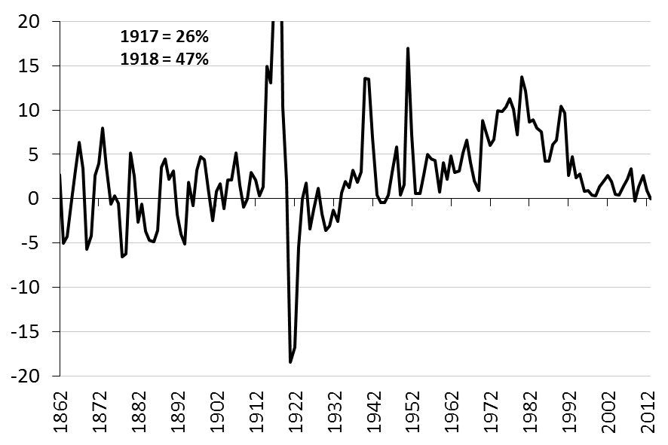
1870 | -4.2
1871 | 2.6
1872 | 4.0
1873 | 7.9
1874 | 3.6
1875 | -0.6
1876 | 0.3
1877 | -0.5
1878 | -6.5
1879 | -6.2
1880 | 5.2
1881 | 2.5
1882 | -2.7
1883 | -0.6
1884 | -3.7
1885 | -4.7
1886 | -4.9
1887 | -3.6
1888 | 3.6
1889 | 4.5
1890 | 2.1
1891 | 3.1
1892 | -1.8
1893 | -4.0
1894 | -5.1
1895 | 1.9
1896 | -0.8
1897 | 3.2
1898 | 4.8
1899 | 4.4
1900 | 1.2
1901 | -2.4
1902 | 0.8
1903 | 1.7
1904 | -1.2
1905 | 2.1
1906 | 2.1
1907 | 5.2
1908 | 1.5
1909 | -1.0
1910 | 0.0
1911 | 3.0
1912 | 2.1
1913 | 0.3
1914 | 1.3
1915 | 14.9
1916 | 13.0
1917 | 26.2
1918 | 47.0
1919 | 10.4
1920 | 1.9
1921 | -18.5
1922 | -16.7
1923 | -5.4
1924 | 0.0
1925 | 1.7
1926 | -3.4
1927 | -1.2
1928 | 1.2
1929 | -1.8
1930 | -3.6
1931 | -3.1
1932 | -1.3
1933 | -2.6
1934 | 0.7
1935 | 2.0
1936 | 1.3
1937 | 3.2
1938 | 1.9
1939 | 3.0
1940 | 13.5
1941 | 13.5
1942 | 6.8
1943 | 0.4
1944 | -0.4
1945 | -0.4
1946 | 0.4
1947 | 3.0
1948 | 5.8
1949 | 0.4
1950 | 1.6
1951 | 16.9
1952 | 7.2
1953 | 0.6
1954 | 0.6
1955 | 2.7
1956 | 5.0
1957 | 4.5
1958 | 4.3
1959 | 0.8
1960 | 4.1
1961 | 2.2
1962 | 4.8
1963 | 3.0
1964 | 3.1
1965 | 5.2
1966 | 6.6
1967 | 4.0
1968 | 2.0
1969 | 0.9
1970 | 8.8
1971 | 7.4
1972 | 6.0
1973 | 6.7
1974 | 9.9
1975 | 9.8
1976 | 10.3
1977 | 11.3
1978 | 10.1
1979 | 7.2
1980 | 13.7
1981 | 12.1
1982 | 8.6
1983 | 8.9
1984 | 8.0
1985 | 7.5
1986 | 4.2
1987 | 4.2
1988 | 6.1
1989 | 6.6
1990 | 10.4
1991 | 9.7
1992 | 2.6
1993 | 4.7
1994 | 2.4
1995 | 2.8
1996 | 0.8
1997 | 0.9
1998 | 0.4
1999 | 0.3
2000 | 1.3
2001 | 2.0
2002 | 2.6
2003 | 1.9
2004 | 0.5
2005 | 0.4
2006 | 1.4
2007 | 2.2
2008 | 3.4
2009 | -0.3
2010 | 1.3
2011 | 2.6
2012 | 0.9
2013 | 0.0

Figure 3.7
 | Figure 3.7
 | New Share Issues | Retained earnings | Debt
1860
1861
1862 | 1.1 | 1.1 | 1.1
1863 | 0.5 | 0.5 | 0.5
1864 | 0.6 | 0.6 | 0.6
1865 | 0.9 | 0.9 | 0.9
1866 | 1.1 | 1.1 | -0.2
1867 | 1.3 | 1.3 | -0.4
1868 | 1.1 | 1.1 | -0.2
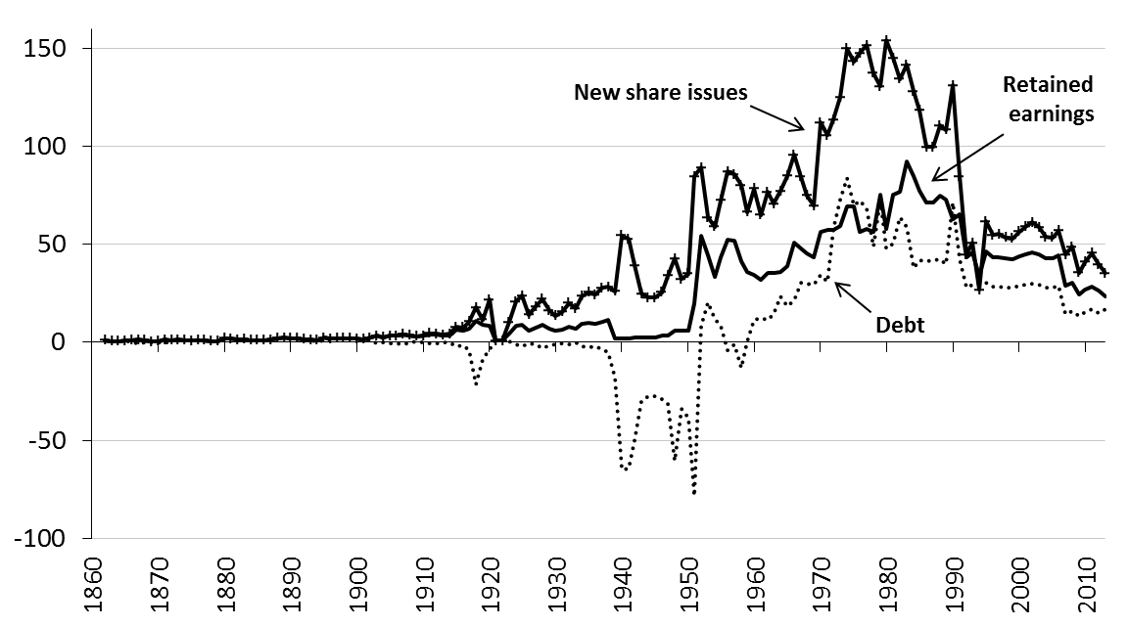
1869 | 0.5 | 0.5 | 0.0
1870 | 0.6 | 0.6 | 0.0
1871 | 1.3 | 1.3 | -0.7
1872 | 1.2 | 1.2 | 1.2
1873 | 1.4 | 1.4 | 1.4
1874 | 1.1 | 1.1 | 1.1
1875 | 0.9 | 0.9 | 0.9
1876 | 1.1 | 1.1 | 1.1
1877 | 1.1 | 1.1 | 1.1
1878 | 0.5 | 0.5 | 0.5
1879 | 0.7 | 0.7 | 0.7
1880 | 2.2 | 2.2 | 2.2
1881 | 2.0 | 2.0 | 2.0
1882 | 1.4 | 1.4 | 1.4
1883 | 1.5 | 1.5 | 1.5
1884 | 1.1 | 1.1 | 1.1
1885 | 1.0 | 1.0 | 1.0
1886 | 1.1 | 1.1 | 1.1
1887 | 1.3 | 1.3 | 1.3
1888 | 2.2 | 2.2 | 2.2
1889 | 2.3 | 2.3 | 2.3
1890 | 2.0 | 2.0 | 2.0
1891 | 2.1 | 2.1 | 2.1
1892 | 1.5 | 1.5 | 1.5
1893 | 1.3 | 1.3 | 1.1
1894 | 1.2 | 1.2 | 0.7
1895 | 2.4 | 2.4 | 1.2
1896 | 1.7 | 1.7 | 1.5
1897 | 2.1 | 2.1 | 2.1
1898 | 2.2 | 2.2 | 2.2
1899 | 2.1 | 2.1 | 2.1
1900 | 1.8 | 1.8 | 1.8
1901 | 1.7 | 1.7 | 0.9
1902 | 2.3 | 2.3 | 1.2
1903 | 3.2 | 3.2 | -0.5
1904 | 2.6 | 2.6 | -0.2
1905 | 3.4 | 3.4 | -0.5
1906 | 3.4 | 3.4 | -0.5
1907 | 4.0 | 4.0 | -0.9
1908 | 3.6 | 3.6 | -0.1
1909 | 3.2 | 3.2 | 0.3
1910 | 3.3 | 3.3 | 0.0
1911 | 4.7 | 3.9 | -0.5
1912 | 4.5 | 3.8 | -0.3
1913 | 3.9 | 3.3 | -0.2
1914 | 4.3 | 3.7 | -0.2
1915 | 7.9 | 6.4 | -2.2
1916 | 7.6 | 5.8 | -1.6
1917 | 10.6 | 7.1 | -3.8
1918 | 17.9 | 11.2 | -21.3
1919 | 11.5 | 8.7 | -8.3
1920 | 21.7 | 8.7 | -3.4
1921 | 0.9 | 0.9 | 0.9
1922 | 0.9 | 0.9 | 0.9
1923 | 10.2 | 4.7 | 0.4
1924 | 20.8 | 8.3 | -1.2
1925 | 23.8 | 9.2 | -2.2
1926 | 14.2 | 6.2 | -0.4
1927 | 18.3 | 7.5 | -1.3
1928 | 21.9 | 8.7 | -2.8
1929 | 16.4 | 7.0 | -1.7
1930 | 13.5 | 6.0 | -0.8
1931 | 15.6 | 6.7 | -0.6
1932 | 20.0 | 8.1 | -1.1
1933 | 17.3 | 7.2 | -0.1
1934 | 23.5 | 9.3 | -1.8
1935 | 25.5 | 9.8 | -2.6
1936 | 24.3 | 9.5 | -2.3
1937 | 27.8 | 10.5 | -3.3
1938 | 28.2 | 11.6 | -5.1
1939 | 26.1 | 1.8 | -18.2
1940 | 54.5 | 2.2 | -65.0
1941 | 52.7 | 2.2 | -64.4
1942 | 39.2 | 2.3 | -50.0
1943 | 24.8 | 2.3 | -30.0
1944 | 22.9 | 2.3 | -27.3
1945 | 22.8 | 2.3 | -27.3
1946 | 25.7 | 3.3 | -28.9
1947 | 34.1 | 3.5 | -31.6
1948 | 42.7 | 6.0 | -60.2
1949 | 32.2 | 6.0 | -34.1
1950 | 35.1 | 6.0 | -38.6
1951 | 84.6 | 20.0 | -78.5
1952 | 89.2 | 54.3 | 8.5
1953 | 63.6 | 44.4 | 20.4
1954 | 59.0 | 33.5 | 12.1
1955 | 72.5 | 43.4 | 8.5
1956 | 87.2 | 52.4 | -3.8
1957 | 85.7 | 51.8 | -0.9
1958 | 80.2 | 41.6 | -13.1
1959 | 66.4 | 35.8 | 0.7
1960 | 78.5 | 34.4 | 11.5
1961 | 64.9 | 32.1 | 12.6
1962 | 76.6 | 35.6 | 11.5
1963 | 70.8 | 35.4 | 14.5
1964 | 77.1 | 36.0 | 23.4
1965 | 84.9 | 39.1 | 18.6
1966 | 95.7 | 50.9 | 21.7
1967 | 84.4 | 48.1 | 30.3
1968 | 75.0 | 45.2 | 30.0
1969 | 69.8 | 43.5 | 29.6
1970 | 112.2 | 56.3 | 34.2
1971 | 105.7 | 57.2 | 31.0
1972 | 113.7 | 57.6 | 58.0
1973 | 125.1 | 59.5 | 72.7
1974 | 149.8 | 69.1 | 83.7
1975 | 143.3 | 69.1 | 70.0
1976 | 147.5 | 56.3 | 72.5
1977 | 151.6 | 57.9 | 68.6
1978 | 137.3 | 56.1 | 48.9
1979 | 130.5 | 75.2 | 72.8
1980 | 154.1 | 57.9 | 47.8
1981 | 145.0 | 75.4 | 50.4
1982 | 134.3 | 76.9 | 63.7
1983 | 141.5 | 92.2 | 58.8
1984 | 127.9 | 84.5 | 38.0
1985 | 118.3 | 77.3 | 42.0
1986 | 99.5 | 71.5 | 41.6
1987 | 99.7 | 71.5 | 41.9
1988 | 110.7 | 75.0 | 42.5
1989 | 108.4 | 72.8 | 39.8
1990 | 131.0 | 62.9 | 71.4
1991 | 84.8 | 65.5 | 42.2
1992 | 44.8 | 43.4 | 27.9
1993 | 50.7 | 45.8 | 29.3
1994 | 26.7 | 34.1 | 29.9
1995 | 61.8 | 46.1 | 30.2
1996 | 54.8 | 43.4 | 28.3
1997 | 55.2 | 43.5 | 28.4
1998 | 53.4 | 42.8 | 27.9
1999 | 53.1 | 42.6 | 27.8
2000 | 56.6 | 44.1 | 28.8
2001 | 59.0 | 45.1 | 29.5
2002 | 61.1 | 45.9 | 30.0
2003 | 58.7 | 44.9 | 29.4
2004 | 53.8 | 42.9 | 28.0
2005 | 53.5 | 42.8 | 28.0
2006 | 56.9 | 44.2 | 28.9
2007 | 44.7 | 28.7 | 14.7
2008 | 48.9 | 30.3 | 15.8
2009 | 35.5 | 24.4 | 13.5
2010 | 41.0 | 26.7 | 15.4
2011 | 45.5 | 28.5 | 16.8
2012 | 39.6 | 26.2 | 14.9
2013 | 35.3 | 23.2 | 17.0

Figure 3.8
 | Figure 3.8
 | New Share Issues | Retained earnings | Debt
1860
1861
1862 | 1.1 | 1.1 | 1.1
1863 | 0.5 | 0.5 | 0.5
1864 | 0.6 | 0.6 | 0.6
1865 | 0.9 | 0.9 | 0.9
1866 | 1.1 | 1.1 | 1.1
1867 | 1.3 | 1.3 | 1.3
1868 | 1.1 | 1.1 | 1.1
1869 | 0.5 | 0.5 | 0.5
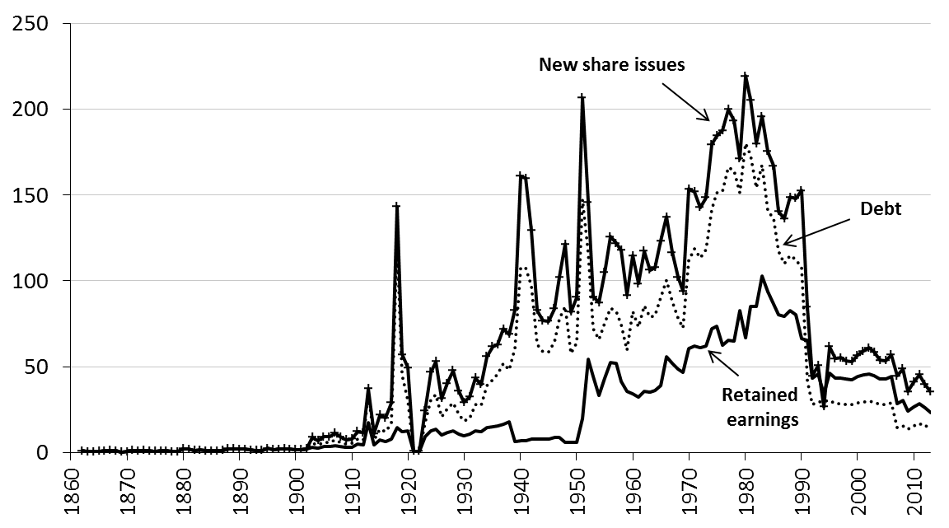
1870 | 0.6 | 0.6 | 0.6
1871 | 1.3 | 1.3 | 1.3
1872 | 1.2 | 1.2 | 1.2
1873 | 1.4 | 1.4 | 1.4
1874 | 1.1 | 1.1 | 1.1
1875 | 0.9 | 0.9 | 0.9
1876 | 1.1 | 1.1 | 1.1
1877 | 1.1 | 1.1 | 1.1
1878 | 0.5 | 0.5 | 0.5
1879 | 0.7 | 0.7 | 0.7
1880 | 2.2 | 2.2 | 2.2
1881 | 2.0 | 2.0 | 2.0
1882 | 1.4 | 1.4 | 1.4
1883 | 1.5 | 1.5 | 1.5
1884 | 1.1 | 1.1 | 1.1
1885 | 1.0 | 1.0 | 1.0
1886 | 1.1 | 1.1 | 1.1
1887 | 1.3 | 1.3 | 1.3
1888 | 2.2 | 2.2 | 2.2
1889 | 2.3 | 2.3 | 2.3
1890 | 2.0 | 2.0 | 2.0
1891 | 2.1 | 2.1 | 2.1
1892 | 1.5 | 1.5 | 1.5
1893 | 1.3 | 1.3 | 1.3
1894 | 1.2 | 1.2 | 1.2
1895 | 2.4 | 2.4 | 2.4
1896 | 1.7 | 1.7 | 1.7
1897 | 2.1 | 2.1 | 2.1
1898 | 2.2 | 2.2 | 2.2
1899 | 2.1 | 2.1 | 2.1
1900 | 1.8 | 1.8 | 1.8
1901 | 1.7 | 1.7 | 1.7
1902 | 2.3 | 2.3 | 2.3
1903 | 8.9 | 3.2 | 5.7
1904 | 6.9 | 2.6 | 4.5
1905 | 9.3 | 3.4 | 6.0
1906 | 9.3 | 3.4 | 6.0
1907 | 11.4 | 4.0 | 7.3
1908 | 9.2 | 3.6 | 6.1
1909 | 7.6 | 3.2 | 5.1
1910 | 8.1 | 3.3 | 5.4
1911 | 12.4 | 4.8 | 8.0
1912 | 11.7 | 4.7 | 7.6
1913 | 37.2 | 17.7 | 35.2
1914 | 11.1 | 4.6 | 7.3
1915 | 21.9 | 7.3 | 13.5
1916 | 20.2 | 6.7 | 12.3
1917 | 29.2 | 7.9 | 16.8
1918 | 143.3 | 14.8 | 122.6
1919 | 57.2 | 12.3 | 45.5
1920 | 49.6 | 12.7 | 30.5
1921 | 0.9 | 0.9 | 0.9
1922 | 0.9 | 0.9 | 0.9
1923 | 24.5 | 9.2 | 17.3
1924 | 46.8 | 12.7 | 30.8
1925 | 53.0 | 13.5 | 33.8
1926 | 31.5 | 10.3 | 20.6
1927 | 40.3 | 11.7 | 25.7
1928 | 47.8 | 12.7 | 29.0
1929 | 35.9 | 10.9 | 22.1
1930 | 29.4 | 9.8 | 18.5
1931 | 32.4 | 10.6 | 20.1
1932 | 43.4 | 12.7 | 28.3
1933 | 39.8 | 12.2 | 27.6
1934 | 56.0 | 14.6 | 38.9
1935 | 61.6 | 15.2 | 42.6
1936 | 62.9 | 15.5 | 46.0
1937 | 72.0 | 16.5 | 52.2
1938 | 68.8 | 17.8 | 48.1
1939 | 83.1 | 6.4 | 60.8
1940 | 161.0 | 7.1 | 107.8
1941 | 159.9 | 7.1 | 107.8
1942 | 129.3 | 7.9 | 97.3
1943 | 82.9 | 7.9 | 63.3
1944 | 76.7 | 7.9 | 58.7
1945 | 76.7 | 7.9 | 58.7
1946 | 83.8 | 8.9 | 64.3
1947 | 102.2 | 8.9 | 77.9
1948 | 121.3 | 6.0 | 85.0
1949 | 81.9 | 6.0 | 58.0
1950 | 90.4 | 6.0 | 63.8
1951 | 206.5 | 20.0 | 147.6
1952 | 145.8 | 54.3 | 116.4
1953 | 90.8 | 44.4 | 72.2
1954 | 87.3 | 33.5 | 65.9
1955 | 105.0 | 43.4 | 75.7
1956 | 125.7 | 52.4 | 84.1
1957 | 122.0 | 51.8 | 82.2
1958 | 118.0 | 41.6 | 74.4
1959 | 91.7 | 35.8 | 59.8
1960 | 114.7 | 34.4 | 82.1
1961 | 98.4 | 32.1 | 73.0
1962 | 117.5 | 35.6 | 85.8
1963 | 106.3 | 35.4 | 78.9
1964 | 107.8 | 36.0 | 79.9
1965 | 123.4 | 39.1 | 90.2
1966 | 137.2 | 55.7 | 100.3
1967 | 116.8 | 52.0 | 88.1
1968 | 102.2 | 48.7 | 78.2
1969 | 94.2 | 46.8 | 72.7
1970 | 153.6 | 60.5 | 112.0
1971 | 151.9 | 62.2 | 118.6
1972 | 142.8 | 60.9 | 113.6
1973 | 148.7 | 62.2 | 118.0
1974 | 179.4 | 72.2 | 141.6
1975 | 184.4 | 73.4 | 151.5
1976 | 187.5 | 62.7 | 152.3
1977 | 199.8 | 65.4 | 165.9
1978 | 193.4 | 65.2 | 164.2
1979 | 171.0 | 82.9 | 151.3
1980 | 219.3 | 66.9 | 180.3
1981 | 205.3 | 84.9 | 173.4
1982 | 179.9 | 85.2 | 154.3
1983 | 195.8 | 102.9 | 167.6
1984 | 175.3 | 93.6 | 140.6
1985 | 167.1 | 86.6 | 136.3
1986 | 140.3 | 80.2 | 117.4
1987 | 136.3 | 79.3 | 110.0
1988 | 148.8 | 82.6 | 115.1
1989 | 148.0 | 80.4 | 112.2
1990 | 152.6 | 66.3 | 107.6
1991 | 84.8 | 65.5 | 42.2
1992 | 44.8 | 43.4 | 27.9
1993 | 50.7 | 45.8 | 29.3
1994 | 26.7 | 34.1 | 29.9
1995 | 61.8 | 46.1 | 30.2
1996 | 54.8 | 43.4 | 28.3
1997 | 55.2 | 43.5 | 28.4
1998 | 53.4 | 42.8 | 27.9
1999 | 53.1 | 42.6 | 27.8
2000 | 56.6 | 44.1 | 28.8
2001 | 59.0 | 45.1 | 29.5
2002 | 61.1 | 45.9 | 30.0
2003 | 58.7 | 44.9 | 29.4
2004 | 53.8 | 42.9 | 28.0
2005 | 53.5 | 42.8 | 28.0
2006 | 56.9 | 44.2 | 28.9
2007 | 44.7 | 28.7 | 14.7
2008 | 48.9 | 30.3 | 15.8
2009 | 35.5 | 24.4 | 13.5
2010 | 41.0 | 26.7 | 15.4
2011 | 45.5 | 28.5 | 16.8
2012 | 39.6 | 26.2 | 14.9
2013 | 35.3 | 23.2 | 17.0

Figure 3.9
 | Figure 3.9
 | New Share Issues | Retained earnings | Debt
1860
1861
1862 | 1.1 | 1.1 | -0.2
1863 | 0.5 | 0.5 | 0.0
1864 | 0.6 | 0.6 | 0.0
1865 | 0.9 | 0.9 | -0.1
1866 | 1.1 | 1.1 | -0.2
1867 | 1.3 | 1.3 | -0.4
1868 | 1.1 | 1.1 | -0.2
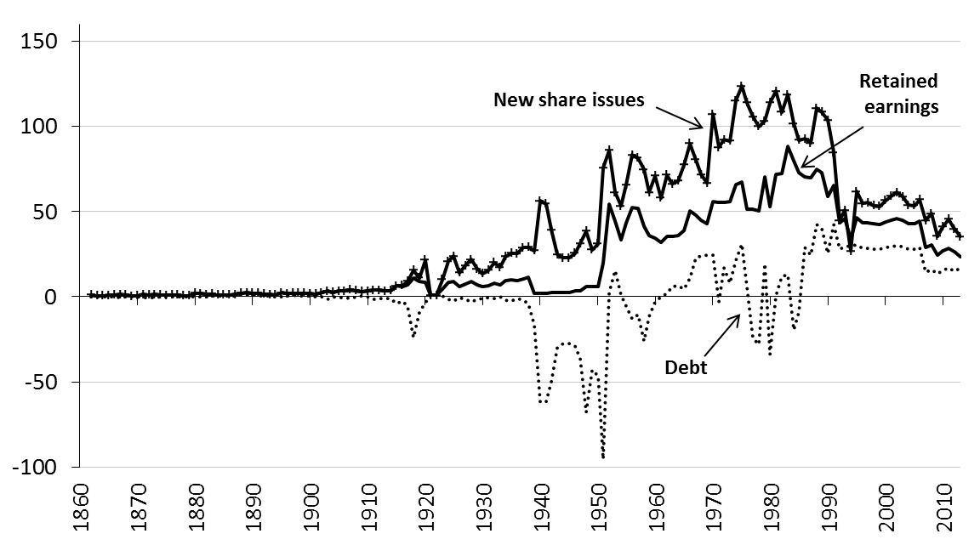
1869 | 0.5 | 0.5 | 0.0
1870 | 0.6 | 0.6 | 0.0
1871 | 1.3 | 1.3 | -0.7
1872 | 1.2 | 1.2 | -0.3
1873 | 1.4 | 1.4 | -0.5
1874 | 1.1 | 1.1 | -0.3
1875 | 0.9 | 0.9 | 0.0
1876 | 1.1 | 1.1 | 0.0
1877 | 1.1 | 1.1 | 0.1
1878 | 0.5 | 0.5 | 0.2
1879 | 0.7 | 0.7 | 0.1
1880 | 2.2 | 2.2 | -0.2
1881 | 2.0 | 2.0 | 0.0
1882 | 1.4 | 1.4 | 0.2
1883 | 1.5 | 1.5 | 0.6
1884 | 1.1 | 1.1 | 0.5
1885 | 1.0 | 1.0 | 0.5
1886 | 1.1 | 1.1 | 0.5
1887 | 1.3 | 1.3 | 0.6
1888 | 2.2 | 2.2 | 0.8
1889 | 2.3 | 2.3 | 0.8
1890 | 2.0 | 2.0 | 0.7
1891 | 2.1 | 2.1 | 0.7
1892 | 1.5 | 1.5 | 0.7
1893 | 1.3 | 1.3 | 0.5
1894 | 1.2 | 1.2 | 0.2
1895 | 2.4 | 2.4 | -0.1
1896 | 1.7 | 1.7 | 0.5
1897 | 2.1 | 2.1 | 0.7
1898 | 2.2 | 2.2 | 0.7
1899 | 2.1 | 2.1 | 0.6
1900 | 1.8 | 1.8 | 0.7
1901 | 1.7 | 1.7 | 0.1
1902 | 2.3 | 2.3 | 0.0
1903 | 3.2 | 3.2 | -1.8
1904 | 2.6 | 2.6 | -0.2
1905 | 3.4 | 3.4 | -0.5
1906 | 3.4 | 3.4 | -0.5
1907 | 4.0 | 4.0 | -0.9
1908 | 3.6 | 3.6 | -0.1
1909 | 3.2 | 3.2 | 0.3
1910 | 3.3 | 3.3 | 0.0
1911 | 3.9 | 3.9 | -1.3
1912 | 3.8 | 3.8 | -1.1
1913 | 3.3 | 3.3 | -0.8
1914 | 3.7 | 3.7 | -0.9
1915 | 6.4 | 6.4 | -3.8
1916 | 6.7 | 5.8 | -2.6
1917 | 9.2 | 7.1 | -5.3
1918 | 15.7 | 11.2 | -23.9
1919 | 11.1 | 8.7 | -8.8
1920 | 21.6 | 8.7 | -3.6
1921 | 0.9 | 0.9 | 0.9
1922 | 0.9 | 0.9 | 0.9
1923 | 10.2 | 4.7 | 0.4
1924 | 20.7 | 8.3 | -1.3
1925 | 23.7 | 9.2 | -2.3
1926 | 14.1 | 6.2 | -0.5
1927 | 18.2 | 7.5 | -1.3
1928 | 21.8 | 8.7 | -2.9
1929 | 16.4 | 7.0 | -1.7
1930 | 13.5 | 6.0 | -0.8
1931 | 15.6 | 6.7 | -0.6
1932 | 20.0 | 8.1 | -1.1
1933 | 17.3 | 7.2 | -0.1
1934 | 23.5 | 9.3 | -1.8
1935 | 25.5 | 9.8 | -2.6
1936 | 25.2 | 9.5 | -1.1
1937 | 28.9 | 10.5 | -1.9
1938 | 29.1 | 11.6 | -3.8
1939 | 27.1 | 1.8 | -16.7
1940 | 56.3 | 2.2 | -62.0
1941 | 54.6 | 2.2 | -61.4
1942 | 39.2 | 2.3 | -50.0
1943 | 24.8 | 2.3 | -30.0
1944 | 22.9 | 2.3 | -27.3
1945 | 22.8 | 2.3 | -27.3
1946 | 25.7 | 3.3 | -28.9
1947 | 31.2 | 3.5 | -36.5
1948 | 38.5 | 6.0 | -68.1
1949 | 27.6 | 6.0 | -42.7
1950 | 30.9 | 6.0 | -46.3
1951 | 75.6 | 20.0 | -95.3
1952 | 86.0 | 54.3 | 2.4
1953 | 61.1 | 44.4 | 15.6
1954 | 53.2 | 33.5 | 0.9
1955 | 65.8 | 43.4 | -5.5
1956 | 83.2 | 52.4 | -12.9
1957 | 81.4 | 51.8 | -10.7
1958 | 74.6 | 41.6 | -26.1
1959 | 61.1 | 35.8 | -11.6
1960 | 71.0 | 34.4 | -3.1
1961 | 58.0 | 32.1 | 0.0
1962 | 71.4 | 35.6 | 1.9
1963 | 66.2 | 35.4 | 6.2
1964 | 67.9 | 36.0 | 6.6
1965 | 77.5 | 39.1 | 4.7
1966 | 90.0 | 50.3 | 10.9
1967 | 80.3 | 47.6 | 23.2
1968 | 71.6 | 44.7 | 24.1
1969 | 66.8 | 43.1 | 24.2
1970 | 107.0 | 55.7 | 24.5
1971 | 87.7 | 55.3 | -3.2
1972 | 92.1 | 55.2 | 16.9
1973 | 91.4 | 55.9 | 8.2
1974 | 115.0 | 65.9 | 21.4
1975 | 123.7 | 67.2 | 31.0
1976 | 113.8 | 51.2 | 5.3
1977 | 105.6 | 51.2 | -24.4
1978 | 99.9 | 50.5 | -28.0
1979 | 103.0 | 70.2 | 19.4
1980 | 113.8 | 52.7 | -34.0
1981 | 120.5 | 71.8 | 0.2
1982 | 108.3 | 72.5 | 11.9
1983 | 118.6 | 88.0 | 13.0
1984 | 101.5 | 79.9 | -19.3
1985 | 92.0 | 72.7 | -9.0
1986 | 92.7 | 70.1 | 29.0
1987 | 90.1 | 69.6 | 24.2
1988 | 110.7 | 75.0 | 42.5
1989 | 108.4 | 72.8 | 39.8
1990 | 103.5 | 58.7 | 25.3
1991 | 84.8 | 65.5 | 42.2
1992 | 44.8 | 43.4 | 27.9
1993 | 50.7 | 45.8 | 29.3
1994 | 26.7 | 34.1 | 29.9
1995 | 61.8 | 46.1 | 30.2
1996 | 54.8 | 43.4 | 28.3
1997 | 55.2 | 43.5 | 28.4
1998 | 53.4 | 42.8 | 27.9
1999 | 53.1 | 42.6 | 27.8
2000 | 56.6 | 44.1 | 28.8
2001 | 59.0 | 45.1 | 29.5
2002 | 61.1 | 45.9 | 30.0
2003 | 58.7 | 44.9 | 29.4
2004 | 53.8 | 42.9 | 28.0
2005 | 53.5 | 42.8 | 28.0
2006 | 56.9 | 44.2 | 28.9
2007 | 44.7 | 28.7 | 14.7
2008 | 48.9 | 30.3 | 15.8
2009 | 35.5 | 24.4 | 13.5
2010 | 41.0 | 26.7 | 15.4
2011 | 45.5 | 28.5 | 16.8
2012 | 39.6 | 26.2 | 14.9
2013 | 35.3 | 23.2 | 17.0

Figure 3.10
 | Figure 3.10
 | Base scenario | Incl Annell deduction
1860
1861
1862 | 0.024 | 0.024
1863 | 0.027 | 0.027
1864 | 0.027 | 0.027
1865 | 0.025 | 0.025
1866 | 0.024 | 0.024
1867 | 0.023 | 0.023
1868 | 0.024 | 0.024
1869 | 0.027 | 0.027
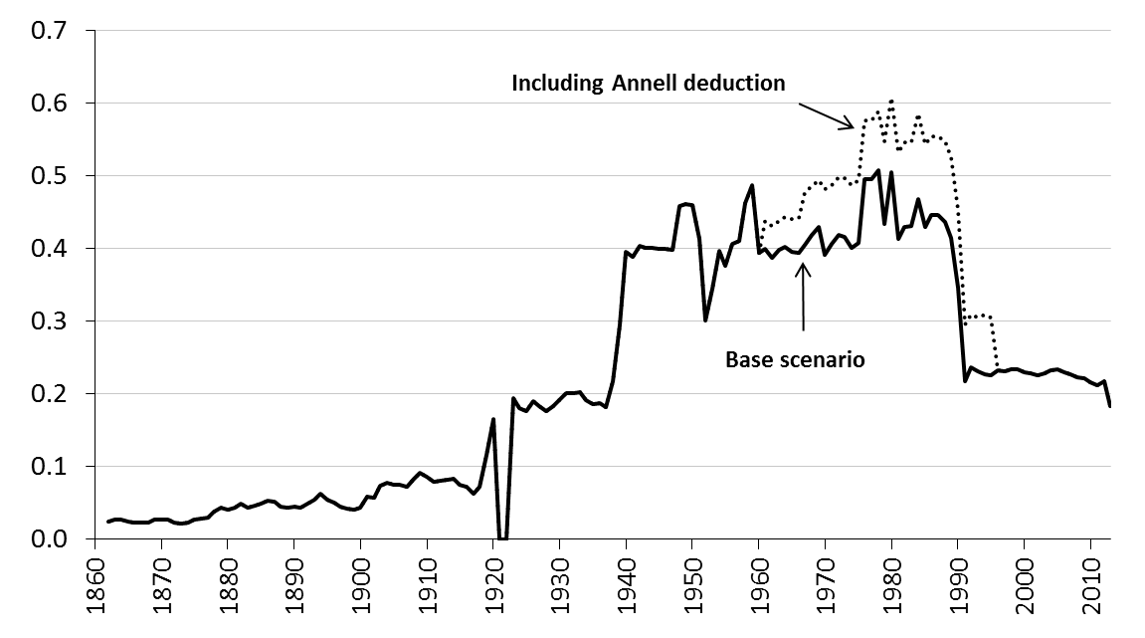
1870 | 0.027 | 0.027
1871 | 0.028 | 0.028
1872 | 0.023 | 0.023
1873 | 0.022 | 0.022
1874 | 0.023 | 0.023
1875 | 0.027 | 0.027
1876 | 0.029 | 0.029
1877 | 0.030 | 0.030
1878 | 0.038 | 0.038
1879 | 0.044 | 0.044
1880 | 0.040 | 0.040
1881 | 0.043 | 0.043
1882 | 0.049 | 0.049
1883 | 0.043 | 0.043
1884 | 0.047 | 0.047
1885 | 0.049 | 0.049
1886 | 0.053 | 0.053
1887 | 0.051 | 0.051
1888 | 0.045 | 0.045
1889 | 0.044 | 0.044
1890 | 0.045 | 0.045
1891 | 0.044 | 0.044
1892 | 0.049 | 0.049
1893 | 0.054 | 0.054
1894 | 0.063 | 0.063
1895 | 0.055 | 0.055
1896 | 0.050 | 0.050
1897 | 0.044 | 0.044
1898 | 0.042 | 0.042
1899 | 0.041 | 0.041
1900 | 0.044 | 0.044
1901 | 0.058 | 0.058
1902 | 0.058 | 0.058
1903 | 0.074 | 0.074
1904 | 0.078 | 0.078
1905 | 0.075 | 0.075
1906 | 0.075 | 0.075
1907 | 0.073 | 0.073
1908 | 0.083 | 0.083
1909 | 0.091 | 0.091
1910 | 0.086 | 0.086
1911 | 0.079 | 0.079
1912 | 0.081 | 0.081
1913 | 0.082 | 0.082
1914 | 0.083 | 0.083
1915 | 0.076 | 0.076
1916 | 0.072 | 0.072
1917 | 0.062 | 0.062
1918 | 0.072 | 0.072
1919 | 0.116 | 0.116
1920 | 0.166 | 0.166
1921 | 0.000 | 0.000
1922 | 0.000 | 0.000
1923 | 0.195 | 0.195
1924 | 0.180 | 0.180
1925 | 0.176 | 0.176
1926 | 0.191 | 0.191
1927 | 0.184 | 0.184
1928 | 0.176 | 0.176
1929 | 0.183 | 0.183
1930 | 0.192 | 0.192
1931 | 0.201 | 0.201
1932 | 0.201 | 0.201
1933 | 0.202 | 0.202
1934 | 0.192 | 0.192
1935 | 0.185 | 0.185
1936 | 0.188 | 0.188
1937 | 0.182 | 0.182
1938 | 0.218 | 0.218
1939 | 0.295 | 0.295
1940 | 0.395 | 0.395
1941 | 0.389 | 0.389
1942 | 0.404 | 0.404
1943 | 0.401 | 0.401
1944 | 0.401 | 0.401
1945 | 0.400 | 0.400
1946 | 0.400 | 0.400
1947 | 0.398 | 0.398
1948 | 0.459 | 0.459
1949 | 0.461 | 0.461
1950 | 0.460 | 0.460
1951 | 0.413 | 0.413
1952 | 0.301 | 0.301
1953 | 0.344 | 0.344
1954 | 0.396 | 0.396
1955 | 0.377 | 0.377
1956 | 0.407 | 0.407
1957 | 0.411 | 0.411
1958 | 0.462 | 0.462
1959 | 0.487 | 0.487
1960 | 0.393 | 0.393
1961 | 0.400 | 0.439
1962 | 0.387 | 0.432
1963 | 0.398 | 0.438
1964 | 0.403 | 0.443
1965 | 0.395 | 0.441
1966 | 0.393 | 0.442
1967 | 0.404 | 0.477
1968 | 0.419 | 0.486
1969 | 0.430 | 0.494
1970 | 0.392 | 0.481
1971 | 0.406 | 0.487
1972 | 0.419 | 0.498
1973 | 0.416 | 0.497
1974 | 0.401 | 0.488
1975 | 0.407 | 0.494
1976 | 0.496 | 0.576
1977 | 0.495 | 0.576
1978 | 0.508 | 0.589
1979 | 0.433 | 0.547
1980 | 0.505 | 0.608
1981 | 0.413 | 0.532
1982 | 0.430 | 0.546
1983 | 0.430 | 0.547
1984 | 0.467 | 0.585
1985 | 0.429 | 0.543
1986 | 0.446 | 0.555
1987 | 0.446 | 0.555
1988 | 0.436 | 0.548
1989 | 0.415 | 0.525
1990 | 0.346 | 0.453
1991 | 0.217 | 0.296
1992 | 0.237 | 0.309
1993 | 0.231 | 0.306
1994 | 0.227 | 0.309
1995 | 0.225 | 0.306
1996 | 0.232 | 0.232
1997 | 0.232 | 0.232
1998 | 0.233 | 0.233
1999 | 0.234 | 0.234
2000 | 0.230 | 0.230
2001 | 0.228 | 0.228
2002 | 0.226 | 0.226
2003 | 0.228 | 0.228
2004 | 0.233 | 0.233
2005 | 0.233 | 0.233
2006 | 0.230 | 0.230
2007 | 0.227 | 0.227
2008 | 0.223 | 0.223
2009 | 0.221 | 0.221
2010 | 0.216 | 0.216
2011 | 0.212 | 0.212
2012 | 0.217 | 0.217
2013 | 0.184 | 0.184

Figure 3.11
 | Figure 3.11
 | New Share Issues | Retained earnings | Debt
1860
1861
1862 | 1.1 | 1.1 | 1.1
1863 | 0.5 | 0.5 | 0.5
1864 | 0.6 | 0.6 | 0.6
1865 | 0.9 | 0.9 | 0.9
1866 | 1.1 | 1.1 | -0.2
1867 | 1.3 | 1.3 | -0.4
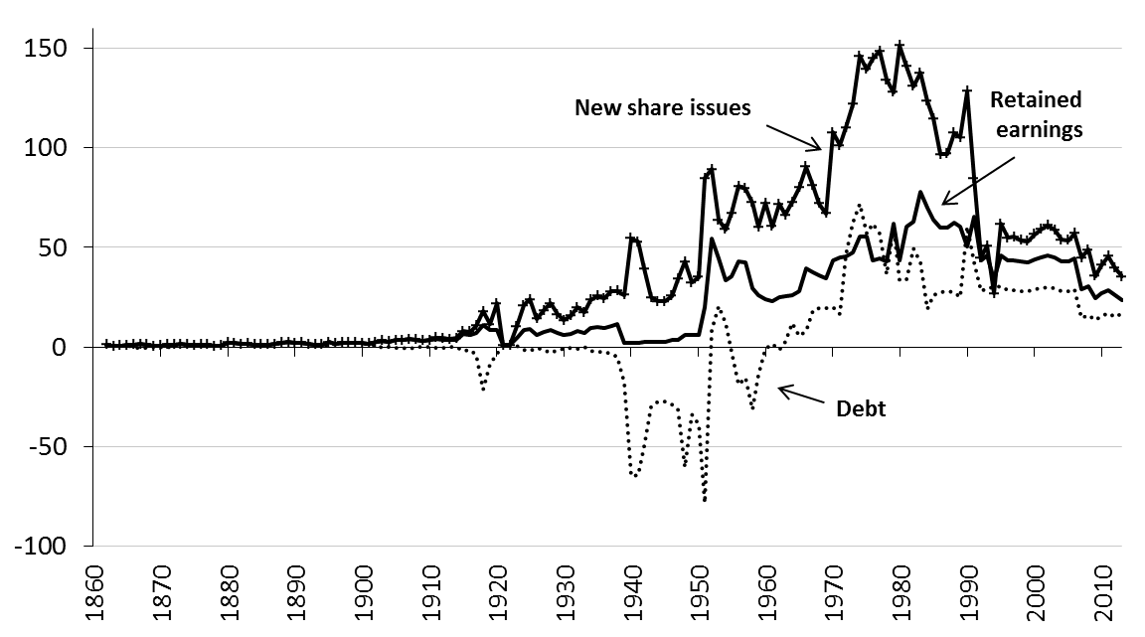
1868 | 1.1 | 1.1 | -0.2
1869 | 0.5 | 0.5 | 0.0
1870 | 0.6 | 0.6 | 0.0
1871 | 1.3 | 1.3 | -0.7
1872 | 1.2 | 1.2 | 1.2
1873 | 1.4 | 1.4 | 1.4
1874 | 1.1 | 1.1 | 1.1
1875 | 0.9 | 0.9 | 0.9
1876 | 1.1 | 1.1 | 1.1
1877 | 1.1 | 1.1 | 1.1
1878 | 0.5 | 0.5 | 0.5
1879 | 0.7 | 0.7 | 0.7
1880 | 2.2 | 2.2 | 2.2
1881 | 2.0 | 2.0 | 2.0
1882 | 1.4 | 1.4 | 1.4
1883 | 1.5 | 1.5 | 1.5
1884 | 1.1 | 1.1 | 1.1
1885 | 1.0 | 1.0 | 1.0
1886 | 1.1 | 1.1 | 1.1
1887 | 1.3 | 1.3 | 1.3
1888 | 2.2 | 2.2 | 2.2
1889 | 2.3 | 2.3 | 2.3
1890 | 2.0 | 2.0 | 2.0
1891 | 2.1 | 2.1 | 2.1
1892 | 1.5 | 1.5 | 1.5
1893 | 1.3 | 1.3 | 1.1
1894 | 1.2 | 1.2 | 0.7
1895 | 2.4 | 2.4 | 1.2
1896 | 1.7 | 1.7 | 1.5
1897 | 2.1 | 2.1 | 2.1
1898 | 2.2 | 2.2 | 2.2
1899 | 2.1 | 2.1 | 2.1
1900 | 1.8 | 1.8 | 1.8
1901 | 1.7 | 1.7 | 0.9
1902 | 2.3 | 2.3 | 1.2
1903 | 3.2 | 3.2 | -0.5
1904 | 2.6 | 2.6 | -0.2
1905 | 3.4 | 3.4 | -0.5
1906 | 3.4 | 3.4 | -0.5
1907 | 4.0 | 4.0 | -0.9
1908 | 3.6 | 3.6 | -0.1
1909 | 3.2 | 3.2 | 0.3
1910 | 3.3 | 3.3 | 0.0
1911 | 4.7 | 3.9 | -0.5
1912 | 4.5 | 3.8 | -0.3
1913 | 3.9 | 3.3 | -0.2
1914 | 4.3 | 3.7 | -0.2
1915 | 7.9 | 6.4 | -2.2
1916 | 7.6 | 5.8 | -1.6
1917 | 10.6 | 7.1 | -3.8
1918 | 17.9 | 11.2 | -21.3
1919 | 11.5 | 8.7 | -8.3
1920 | 21.7 | 8.7 | -3.4
1921 | 0.9 | 0.9 | 0.9
1922 | 0.9 | 0.9 | 0.9
1923 | 10.2 | 4.7 | 0.4
1924 | 20.8 | 8.3 | -1.2
1925 | 23.8 | 9.2 | -2.2
1926 | 14.2 | 6.2 | -0.4
1927 | 18.3 | 7.5 | -1.3
1928 | 21.9 | 8.7 | -2.8
1929 | 16.4 | 7.0 | -1.7
1930 | 13.5 | 6.0 | -0.8
1931 | 15.6 | 6.7 | -0.6
1932 | 20.0 | 8.1 | -1.1
1933 | 17.3 | 7.2 | -0.1
1934 | 23.5 | 9.3 | -1.8
1935 | 25.5 | 9.8 | -2.6
1936 | 24.3 | 9.5 | -2.3
1937 | 27.8 | 10.5 | -3.3
1938 | 28.2 | 11.6 | -5.1
1939 | 26.1 | 1.8 | -18.2
1940 | 54.5 | 2.2 | -65.0
1941 | 52.7 | 2.2 | -64.4
1942 | 39.2 | 2.3 | -50.0
1943 | 24.8 | 2.3 | -30.0
1944 | 22.9 | 2.3 | -27.3
1945 | 22.8 | 2.3 | -27.3
1946 | 25.7 | 3.3 | -28.9
1947 | 34.1 | 3.5 | -31.6
1948 | 42.7 | 6.0 | -60.2
1949 | 32.2 | 6.0 | -34.1
1950 | 35.1 | 6.0 | -38.6
1951 | 84.6 | 20.0 | -78.5
1952 | 89.2 | 54.3 | 8.5
1953 | 63.6 | 44.4 | 20.4
1954 | 59.0 | 33.5 | 12.1
1955 | 67.3 | 35.6 | -2.4
1956 | 80.6 | 42.7 | -18.8
1957 | 79.4 | 42.3 | -15.4
1958 | 72.4 | 29.5 | -31.2
1959 | 60.2 | 25.9 | -13.7
1960 | 72.2 | 24.1 | -0.8
1961 | 60.5 | 22.8 | 1.3
1962 | 71.6 | 24.9 | -1.3
1963 | 66.2 | 25.6 | 2.7
1964 | 72.7 | 26.0 | 12.2
1965 | 79.9 | 28.0 | 5.6
1966 | 90.3 | 39.3 | 7.8
1967 | 80.9 | 37.6 | 18.5
1968 | 71.9 | 35.7 | 19.4
1969 | 67.0 | 34.7 | 19.6
1970 | 107.7 | 43.4 | 19.9
1971 | 101.2 | 44.7 | 16.5
1972 | 110.2 | 45.6 | 46.6
1973 | 121.9 | 47.2 | 62.2
1974 | 146.1 | 55.4 | 71.9
1975 | 139.2 | 55.3 | 56.8
1976 | 144.9 | 43.5 | 61.9
1977 | 148.6 | 44.5 | 56.9
1978 | 134.2 | 43.0 | 36.2
1979 | 127.7 | 62.1 | 60.6
1980 | 151.2 | 43.2 | 33.5
1981 | 140.7 | 60.2 | 33.9
1982 | 130.9 | 63.1 | 49.6
1983 | 137.5 | 78.0 | 42.5
1984 | 123.4 | 69.7 | 18.9
1985 | 114.6 | 64.0 | 26.1
1986 | 96.6 | 59.9 | 27.7
1987 | 96.8 | 60.0 | 27.9
1988 | 107.3 | 62.5 | 27.5
1989 | 105.1 | 60.5 | 25.2
1990 | 128.4 | 50.6 | 60.6
1991 | 84.8 | 65.5 | 42.2
1992 | 44.8 | 43.4 | 27.9
1993 | 50.7 | 45.8 | 29.3
1994 | 26.7 | 34.1 | 29.9
1995 | 61.8 | 46.1 | 30.2
1996 | 54.8 | 43.4 | 28.3
1997 | 55.2 | 43.5 | 28.4
1998 | 53.4 | 42.8 | 27.9
1999 | 53.1 | 42.6 | 27.8
2000 | 56.6 | 44.1 | 28.8
2001 | 59.0 | 45.1 | 29.5
2002 | 61.1 | 45.9 | 30.0
2003 | 58.7 | 44.9 | 29.4
2004 | 53.8 | 42.9 | 28.0
2005 | 53.5 | 42.8 | 28.0
2006 | 56.9 | 44.2 | 28.9
2007 | 44.7 | 28.7 | 14.7
2008 | 48.9 | 30.3 | 15.8
2009 | 35.5 | 24.4 | 13.5
2010 | 41.0 | 26.7 | 15.4
2011 | 45.5 | 28.5 | 16.8
2012 | 39.6 | 26.2 | 14.9
2013 | 35.3 | 23.2 | 17.0

Figure 3.12
 | Figure 3.12
 | New Share Issues | Retained earnings | Debt
1860
1861
1862 | 1.1 | 1.1 | -2.8
1863 | 0.5 | 0.5 | -1.0
1864 | 0.6 | 0.6 | -1.2
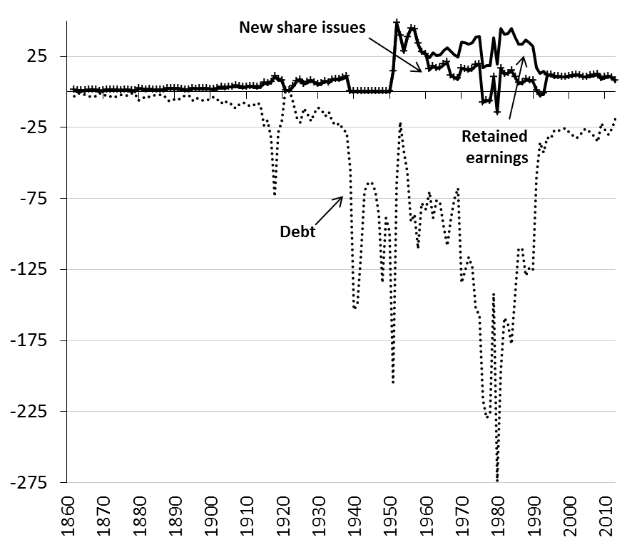
1865 | 0.9 | 0.9 | -2.1
1866 | 1.1 | 1.1 | -2.9
1867 | 1.3 | 1.3 | -3.7
1868 | 1.1 | 1.1 | -3.0
1869 | 0.5 | 0.5 | -0.9
1870 | 0.6 | 0.6 | -1.2
1871 | 1.3 | 1.3 | -3.3
1872 | 1.2 | 1.2 | -3.1
1873 | 1.4 | 1.4 | -4.1
1874 | 1.1 | 1.1 | -3.0
1875 | 0.9 | 0.9 | -2.1
1876 | 1.1 | 1.1 | -2.6
1877 | 1.1 | 1.1 | -2.5
1878 | 0.5 | 0.5 | -0.9
1879 | 0.7 | 0.7 | -1.2
1880 | 2.2 | 2.2 | -6.1
1881 | 2.0 | 2.0 | -5.1
1882 | 1.4 | 1.4 | -2.9
1883 | 1.5 | 1.5 | -3.6
1884 | 1.1 | 1.1 | -2.3
1885 | 1.0 | 1.0 | -2.0
1886 | 1.1 | 1.1 | -2.1
1887 | 1.3 | 1.3 | -2.7
1888 | 2.2 | 2.2 | -6.0
1889 | 2.3 | 2.3 | -6.3
1890 | 2.0 | 2.0 | -5.1
1891 | 2.1 | 2.1 | -5.5
1892 | 1.5 | 1.5 | -3.4
1893 | 1.3 | 1.3 | -2.6
1894 | 1.2 | 1.2 | -2.4
1895 | 2.4 | 2.4 | -6.1
1896 | 1.7 | 1.7 | -4.0
1897 | 2.1 | 2.1 | -5.6
1898 | 2.2 | 2.2 | -6.2
1899 | 2.1 | 2.1 | -5.9
1900 | 1.8 | 1.8 | -4.5
1901 | 1.7 | 1.7 | -3.7
1902 | 2.3 | 2.3 | -5.7
1903 | 3.2 | 3.2 | -8.2
1904 | 2.6 | 2.6 | -6.1
1905 | 3.4 | 3.4 | -8.8
1906 | 3.4 | 3.4 | -8.7
1907 | 4.0 | 4.0 | -11.4
1908 | 3.6 | 3.6 | -9.1
1909 | 3.2 | 3.2 | -7.4
1910 | 3.3 | 3.3 | -7.9
1911 | 3.8 | 3.8 | -10.2
1912 | 3.7 | 3.7 | -9.4
1913 | 3.2 | 3.2 | -7.8
1914 | 3.6 | 3.6 | -8.9
1915 | 6.3 | 6.3 | -23.6
1916 | 5.7 | 5.7 | -20.2
1917 | 6.9 | 6.9 | -32.7
1918 | 11.0 | 11.0 | -73.8
1919 | 8.5 | 8.5 | -28.8
1920 | 7.9 | 7.9 | -20.7
1921 | 0.9 | 0.9 | 0.9
1922 | 0.9 | 0.9 | 0.9
1923 | 3.8 | 3.8 | -7.5
1924 | 7.4 | 7.4 | -18.1
1925 | 8.3 | 8.3 | -21.7
1926 | 5.4 | 5.4 | -11.4
1927 | 6.7 | 6.7 | -15.7
1928 | 8.0 | 8.0 | -20.4
1929 | 6.3 | 6.3 | -14.3
1930 | 5.2 | 5.2 | -11.1
1931 | 5.9 | 5.9 | -12.8
1932 | 7.4 | 7.4 | -17.3
1933 | 6.4 | 6.4 | -14.1
1934 | 8.4 | 8.4 | -21.2
1935 | 9.0 | 9.0 | -23.8
1936 | 8.6 | 8.6 | -22.3
1937 | 9.6 | 9.6 | -26.6
1938 | 10.7 | 10.7 | -28.6
1939 | 0.0 | 0.0 | -54.4
1940 | 0.0 | 0.0 | -153.6
1941 | 0.0 | 0.0 | -149.3
1942 | 0.0 | 0.0 | -114.3
1943 | 0.0 | 0.0 | -69.9
1944 | 0.0 | 0.0 | -64.0
1945 | 0.0 | 0.0 | -63.8
1946 | 0.0 | 0.0 | -69.5
1947 | 0.0 | 0.0 | -86.0
1948 | 0.0 | 0.0 | -134.1
1949 | 0.0 | 0.0 | -88.8
1950 | 0.0 | 0.0 | -98.4
1951 | 14.0 | 14.0 | -204.4
1952 | 48.3 | 48.3 | -64.0
1953 | 39.4 | 39.4 | -21.2
1954 | 28.5 | 28.5 | -41.5
1955 | 38.4 | 38.4 | -56.9
1956 | 44.4 | 44.4 | -91.1
1957 | 43.8 | 43.8 | -86.4
1958 | 33.6 | 33.6 | -110.5
1959 | 27.8 | 27.8 | -78.5
1960 | 26.4 | 26.4 | -82.6
1961 | 15.6 | 24.1 | -70.0
1962 | 17.9 | 27.6 | -88.8
1963 | 16.5 | 25.4 | -76.1
1964 | 17.0 | 26.0 | -78.7
1965 | 19.1 | 29.1 | -95.5
1966 | 20.7 | 31.3 | -108.5
1967 | 11.4 | 28.3 | -89.4
1968 | 9.9 | 25.8 | -75.0
1969 | 9.1 | 24.4 | -67.8
1970 | 16.4 | 35.3 | -134.3
1971 | 15.9 | 34.6 | -125.9
1972 | 15.1 | 33.6 | -116.4
1973 | 15.8 | 34.6 | -123.2
1974 | 18.7 | 38.4 | -153.4
1975 | 19.3 | 39.0 | -156.4
1976 | -7.6 | 17.0 | -216.8
1977 | -6.1 | 18.7 | -229.6
1978 | -6.8 | 18.3 | -226.1
1979 | 10.2 | 38.3 | -141.9
1980 | -14.6 | 19.5 | -274.3
1981 | 16.3 | 44.5 | -196.6
1982 | 12.3 | 40.6 | -159.0
1983 | 12.8 | 41.2 | -163.6
1984 | 15.0 | 44.8 | -177.7
1985 | 10.4 | 38.4 | -143.5
1986 | 6.1 | 33.7 | -110.5
1987 | 6.1 | 33.7 | -110.5
1988 | 8.6 | 36.5 | -129.2
1989 | 7.8 | 34.8 | -123.7
1990 | 7.7 | 32.2 | -125.2
1991 | 1.0 | 17.2 | -59.9
1992 | -2.3 | 12.9 | -35.6
1993 | -1.4 | 14.3 | -42.5
1994 | 11.7 | 11.7 | -31.9
1995 | 12.0 | 12.0 | -33.1
1996 | 10.6 | 10.6 | -27.2
1997 | 10.7 | 10.7 | -27.5
1998 | 10.3 | 10.3 | -26.1
1999 | 10.3 | 10.3 | -25.8
2000 | 11.0 | 11.0 | -28.7
2001 | 11.5 | 11.5 | -30.7
2002 | 11.9 | 11.9 | -32.5
2003 | 11.4 | 11.4 | -30.4
2004 | 10.4 | 10.4 | -26.4
2005 | 10.4 | 10.4 | -26.2
2006 | 11.1 | 11.1 | -29.0
2007 | 11.6 | 11.6 | -31.3
2008 | 12.4 | 12.4 | -34.9
2009 | 9.1 | 9.1 | -22.3
2010 | 10.2 | 10.2 | -26.5
2011 | 11.0 | 11.0 | -30.0
2012 | 9.9 | 9.9 | -25.4
2013 | 7.6 | 7.6 | -18.5

