Figure 1
Figure 1. The highest and lowest statutory marginal corporate income tax rate, 1862–2018.

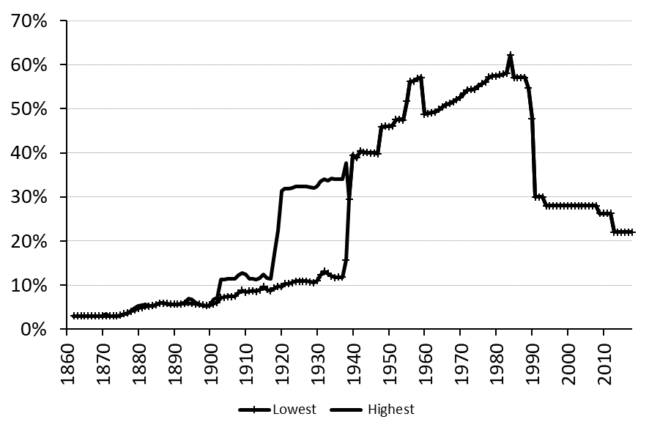
 | min | max
1860
1861
1862 | 3.00 | 3.00
1863 | 3.00 | 3.00
1864 | 3.00 | 3.00
1865 | 3.00 | 3.00
1866 | 3.00 | 3.00
1867 | 3.00 | 3.00
1868 | 3.00 | 3.00
1869 | 3.00 | 3.00
1870 | 3.00 | 3.00
1871 | 3.00 | 3.50
1872 | 3.00 | 3.00
1873 | 3.00 | 3.00
1874 | 3.00 | 3.00
1875 | 3.18 | 3.18
1876 | 3.51 | 3.51
1877 | 3.60 | 3.60
1878 | 4.05 | 4.05
1879 | 4.29 | 4.79
1880 | 4.76 | 5.26
1881 | 4.93 | 5.43
1882 | 5.13 | 5.63
1883 | 5.21 | 5.21
1884 | 5.33 | 5.33
1885 | 5.52 | 5.52
1886 | 5.88 | 5.88
1887 | 5.86 | 5.86
1888 | 5.78 | 5.78
1889 | 5.66 | 5.66
1890 | 5.64 | 5.64
1891 | 5.60 | 5.60
1892 | 5.74 | 5.74
1893 | 5.84 | 6.14
1894 | 5.94 | 6.94
1895 | 5.84 | 6.84
1896 | 5.73 | 6.03
1897 | 5.62 | 5.62
1898 | 5.47 | 5.47
1899 | 5.33 | 5.33
1900 | 5.44 | 5.44
1901 | 5.76 | 6.76
1902 | 6.05 | 7.05
1903 | 7.17 | 11.17
1904 | 7.21 | 11.21
1905 | 7.37 | 11.37
1906 | 7.36 | 11.36
1907 | 7.44 | 11.44
1908 | 8.20 | 12.20
1909 | 8.81 | 12.81
1910 | 8.34 | 12.34
1911 | 8.65 | 11.35
1912 | 8.71 | 11.41
1913 | 8.57 | 11.27
1914 | 8.88 | 11.58
1915 | 9.65 | 12.35
1916 | 8.96 | 11.66
1917 | 8.69 | 11.39
1918 | 9.33 | 17.03
1919 | 9.68 | 22.38
1920 | 9.62 | 31.32
1921 | 10.27 | 31.84
1922 | 10.31 | 31.87
1923 | 10.52 | 32.04
1924 | 10.85 | 32.31
1925 | 10.87 | 32.33
1926 | 10.90 | 32.35
1927 | 10.88 | 32.33
1928 | 10.72 | 32.20
1929 | 10.54 | 32.06
1930 | 10.92 | 32.36
1931 | 12.33 | 33.49
1932 | 13.10 | 34.11
1933 | 12.62 | 33.73
1934 | 12.05 | 34.25
1935 | 11.71 | 33.98
1936 | 11.75 | 34.01
1937 | 11.75 | 34.01
1938 | 15.68 | 37.76
1939 | 29.51 | 29.51
1940 | 39.50 | 39.50
1941 | 38.87 | 38.87
1942 | 40.42 | 40.42
1943 | 40.14 | 40.14
1944 | 40.07 | 40.07
1945 | 40.00 | 40.00
1946 | 40.00 | 40.00
1947 | 39.84 | 39.84
1948 | 45.90 | 45.90
1949 | 46.07 | 46.07
1950 | 45.98 | 45.98
1951 | 46.11 | 46.11
1952 | 47.52 | 47.52
1953 | 47.63 | 47.63
1954 | 47.43 | 47.43
1955 | 51.73 | 51.73
1956 | 56.18 | 56.18
1957 | 56.30 | 56.30
1958 | 56.84 | 56.84
1959 | 57.10 | 57.10
1960 | 48.78 | 48.78
1961 | 49.00 | 49.00
1962 | 49.14 | 49.14
1963 | 49.28 | 49.28
1964 | 49.90 | 49.90
1965 | 50.35 | 50.35
1966 | 50.97 | 50.97
1967 | 51.23 | 51.23
1968 | 51.60 | 51.60
1969 | 52.14 | 52.14
1970 | 52.60 | 52.60
1971 | 53.52 | 53.52
1972 | 54.27 | 54.27
1973 | 54.36 | 54.36
1974 | 54.42 | 54.42
1975 | 55.14 | 55.14
1976 | 55.69 | 55.69
1977 | 56.11 | 56.11
1978 | 57.23 | 57.23
1979 | 57.41 | 57.41
1980 | 57.45 | 57.45
1981 | 57.73 | 57.73
1982 | 57.84 | 57.84
1983 | 58.09 | 58.09
1984 | 62.20 | 62.20
1985 | 57.10 | 57.10
1986 | 57.10 | 57.10
1987 | 57.10 | 57.10
1988 | 57.10 | 57.10
1989 | 54.70 | 54.70
1990 | 47.80 | 47.80
1991 | 30.00 | 30.00
1992 | 30.00 | 30.00
1993 | 30.00 | 30.00
1994 | 28.00 | 28.00
1995 | 28.00 | 28.00
1996 | 28.00 | 28.00
1997 | 28.00 | 28.00
1998 | 28.00 | 28.00
1999 | 28.00 | 28.00
2000 | 28.00 | 28.00
2001 | 28.00 | 28.00
2002 | 28.00 | 28.00
2003 | 28.00 | 28.00
2004 | 28.00 | 28.00
2005 | 28.00 | 28.00
2006 | 28.00 | 28.00
2007 | 28.00 | 28.00
2008 | 28.00 | 28.00
2009 | 26.30 | 26.30
2010 | 26.30 | 26.30
2011 | 26.30 | 26.30
2012 | 26.30 | 26.30
2013 | 22.00 | 22.00
2014 | 22.00 | 22.00
2015 | 22.00 | 22.00

Figure 2
Figure 2. The inflation rate, 1862–2018.

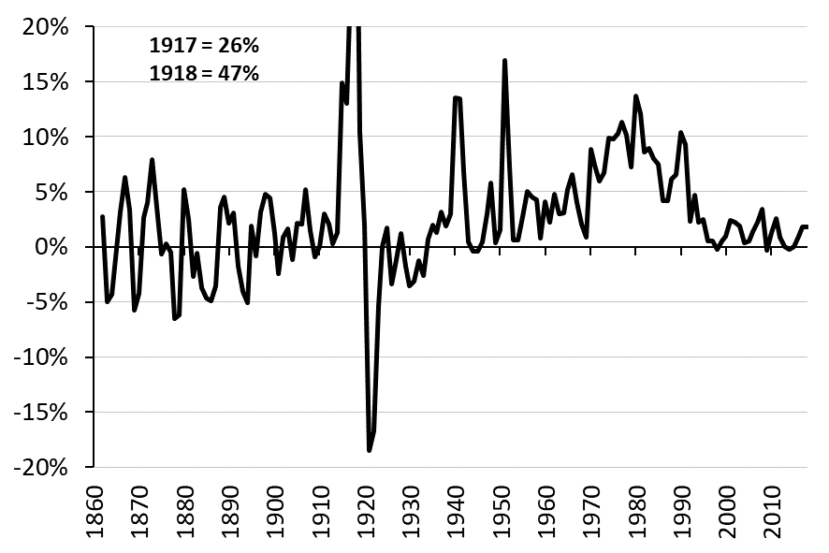
1860
1861
1862 | 2.7
1863 | -5.0
1864 | -4.3
1865 | -0.1
1866 | 3.2
1867 | 6.3
1868 | 3.4
1869 | -5.7
1870 | -4.2
1871 | 2.6
1872 | 4.0
1873 | 7.9
1874 | 3.6
1875 | -0.6
1876 | 0.3
1877 | -0.5
1878 | -6.5
1879 | -6.2
1880 | 5.2
1881 | 2.5
1882 | -2.7
1883 | -0.6
1884 | -3.7
1885 | -4.7
1886 | -4.9
1887 | -3.6
1888 | 3.6
1889 | 4.5
1890 | 2.1
1891 | 3.1
1892 | -1.8
1893 | -4.0
1894 | -5.1
1895 | 1.9
1896 | -0.8
1897 | 3.2
1898 | 4.8
1899 | 4.4
1900 | 1.2
1901 | -2.4
1902 | 0.8
1903 | 1.7
1904 | -1.2
1905 | 2.1
1906 | 2.1
1907 | 5.2
1908 | 1.5
1909 | -1.0
1910 | 0.0
1911 | 3.0
1912 | 2.1
1913 | 0.3
1914 | 1.3
1915 | 14.9
1916 | 13.0
1917 | 26.2
1918 | 47.0
1919 | 10.4
1920 | 1.9
1921 | -18.5
1922 | -16.7
1923 | -5.4
1924 | 0.0
1925 | 1.7
1926 | -3.4
1927 | -1.2
1928 | 1.2
1929 | -1.8
1930 | -3.6
1931 | -3.1
1932 | -1.3
1933 | -2.6
1934 | 0.7
1935 | 2.0
1936 | 1.3
1937 | 3.2
1938 | 1.9
1939 | 3.0
1940 | 13.5
1941 | 13.5
1942 | 6.8
1943 | 0.4
1944 | -0.4
1945 | -0.4
1946 | 0.4
1947 | 3.0
1948 | 5.8
1949 | 0.4
1950 | 1.6
1951 | 16.9
1952 | 7.2
1953 | 0.6
1954 | 0.6
1955 | 2.7
1956 | 5.0
1957 | 4.5
1958 | 4.3
1959 | 0.8
1960 | 4.1
1961 | 2.2
1962 | 4.8
1963 | 3.0
1964 | 3.1
1965 | 5.2
1966 | 6.6
1967 | 4.0
1968 | 2.0
1969 | 0.9
1970 | 8.8
1971 | 7.4
1972 | 6.0
1973 | 6.7
1974 | 9.9
1975 | 9.8
1976 | 10.3
1977 | 11.3
1978 | 10.1
1979 | 7.2
1980 | 13.7
1981 | 12.1
1982 | 8.6
1983 | 8.9
1984 | 8.0
1985 | 7.5
1986 | 4.2
1987 | 4.2
1988 | 6.1
1989 | 6.6
1990 | 10.4
1991 | 9.3
1992 | 2.3
1993 | 4.7
1994 | 2.2
1995 | 2.5
1996 | 0.5
1997 | 0.5
1998 | -0.2
1999 | 0.5
2000 | 1.0
2001 | 2.4
2002 | 2.2
2003 | 1.9
2004 | 0.4
2005 | 0.5
2006 | 1.4
2007 | 2.2
2008 | 3.4
2009 | -0.3
2010 | 1.3
2011 | 2.6
2012 | 0.9
2013 | 0.0
2014 | -0.2
2015 | 0.0
2016 | 1.0
2017 | 1.8
2018 | 1.8

Figure 3
Figure 3. Highest and lowest marginal wealth tax rate, 1934–2006.

 | Wealth
 | min | max
1860
1861
1862
1863
1864
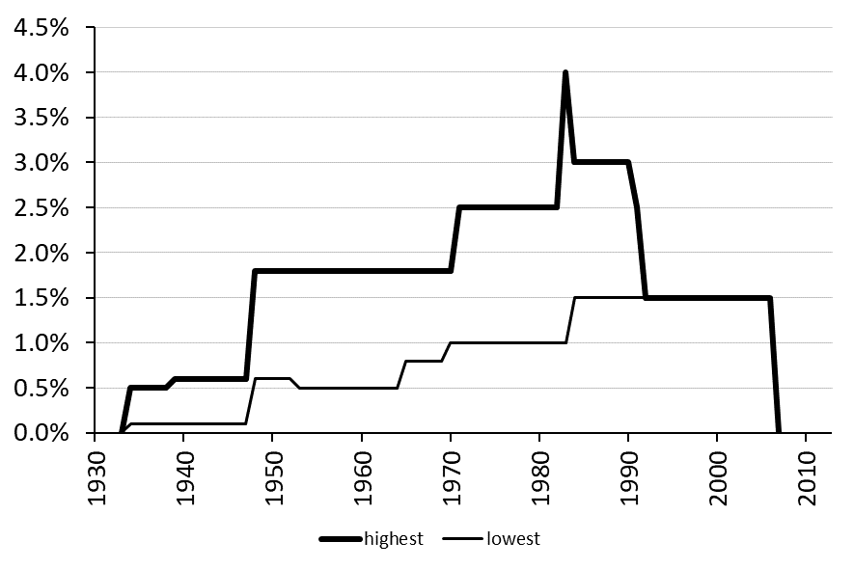
1865
1866
1867
1868
1869
1870
1871
1872
1873
1874
1875
1876
1877
1878
1879
1880
1881
1882
1883
1884
1885
1886
1887
1888
1889
1890
1891
1892
1893
1894
1895
1896
1897
1898
1899
1900
1901
1902
1903
1904
1905
1906
1907
1908
1909
1910
1911
1912
1913
1914
1915
1916
1917
1918
1919
1920
1921
1922
1923
1924
1925
1926
1927
1928
1929
1930
1931
1932
1933 | 0 | 0
1934 | 0.1 | 0.5
1935 | 0.1 | 0.5
1936 | 0.1 | 0.5
1937 | 0.1 | 0.5
1938 | 0.1 | 0.5
1939 | 0.1 | 0.6
1940 | 0.1 | 0.6
1941 | 0.1 | 0.6
1942 | 0.1 | 0.6
1943 | 0.1 | 0.6
1944 | 0.1 | 0.6
1945 | 0.1 | 0.6
1946 | 0.1 | 0.6
1947 | 0.1 | 0.6
1948 | 0.6 | 1.8
1949 | 0.6 | 1.8
1950 | 0.6 | 1.8
1951 | 0.6 | 1.8
1952 | 0.6 | 1.8
1953 | 0.5 | 1.8
1954 | 0.5 | 1.8
1955 | 0.5 | 1.8
1956 | 0.5 | 1.8
1957 | 0.5 | 1.8
1958 | 0.5 | 1.8
1959 | 0.5 | 1.8
1960 | 0.5 | 1.8
1961 | 0.5 | 1.8
1962 | 0.5 | 1.8
1963 | 0.5 | 1.8
1964 | 0.5 | 1.8
1965 | 0.8 | 1.8
1966 | 0.8 | 1.8
1967 | 0.8 | 1.8
1968 | 0.8 | 1.8
1969 | 0.8 | 1.8
1970 | 1 | 1.8
1971 | 1 | 2.5
1972 | 1 | 2.5
1973 | 1 | 2.5
1974 | 1 | 2.5
1975 | 1 | 2.5
1976 | 1 | 2.5
1977 | 1 | 2.5
1978 | 1 | 2.5
1979 | 1 | 2.5
1980 | 1 | 2.5
1981 | 1 | 2.5
1982 | 1 | 2.5
1983 | 1 | 4
1984 | 1.5 | 3
1985 | 1.5 | 3
1986 | 1.5 | 3
1987 | 1.5 | 3
1988 | 1.5 | 3
1989 | 1.5 | 3
1990 | 1.5 | 3
1991 | 1.5 | 2.5
1992 | 1.5 | 1.5
1993 | 1.5 | 1.5
1994 | 1.5 | 1.5
1995 | 1.5 | 1.5
1996 | 1.5 | 1.5
1997 | 1.5 | 1.5
1998 | 1.5 | 1.5
1999 | 1.5 | 1.5
2000 | 1.5 | 1.5
2001 | 1.5 | 1.5
2002 | 1.5 | 1.5
2003 | 1.5 | 1.5
2004 | 1.5 | 1.5
2005 | 1.5 | 1.5
2006 | 1.5 | 1.5
2007 | 0 | 0
2008
2009
2010
2011
2012
2013
2014
2015
2016
2017
2018

Figure 4
Figure 4. The marginal effective tax rate (METR), private foundations, new share issues, retained earnings and debt, 1862–2018.

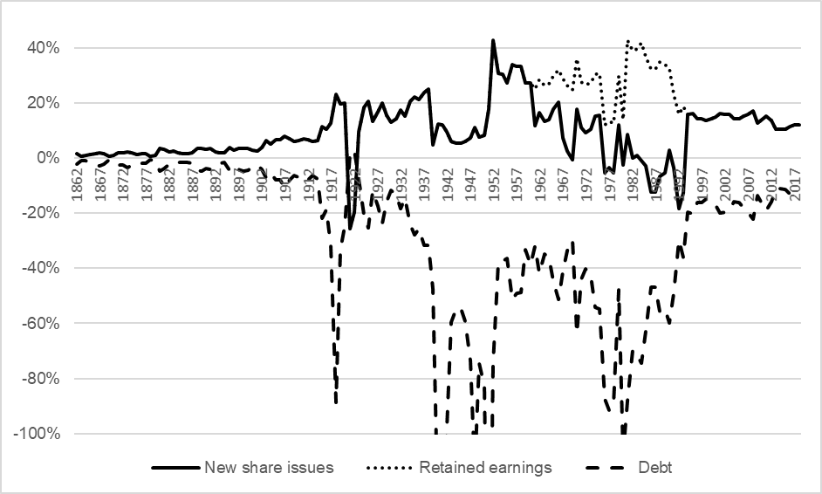
Year | New share issue | Retained earnings | Debt
1862 | 0.018 | 0.018 | -0.021
1863 | 0.009 | 0.009 | -0.007
1864 | 0.010 | 0.010 | -0.008
1865 | 0.015 | 0.015 | -0.015
1866 | 0.019 | 0.019 | -0.022
1867 | 0.021 | 0.021 | -0.028
1868 | 0.019 | 0.019 | -0.022
1869 | 0.008 | 0.008 | -0.005
1870 | 0.010 | 0.010 | -0.008
1871 | 0.021 | 0.021 | -0.024
1872 | 0.019 | 0.019 | -0.023
1873 | 0.023 | 0.023 | -0.032
1874 | 0.019 | 0.019 | -0.022
1875 | 0.015 | 0.015 | -0.015
1876 | 0.018 | 0.018 | -0.019
1877 | 0.018 | 0.018 | -0.017
1878 | 0.009 | 0.009 | -0.006
1879 | 0.011 | 0.011 | -0.008
1880 | 0.036 | 0.036 | -0.046
1881 | 0.033 | 0.033 | -0.037
1882 | 0.023 | 0.023 | -0.020
1883 | 0.025 | 0.025 | -0.025
1884 | 0.019 | 0.019 | -0.016
1885 | 0.017 | 0.017 | -0.013
1886 | 0.017 | 0.017 | -0.013
1887 | 0.021 | 0.021 | -0.018
1888 | 0.037 | 0.037 | -0.044
1889 | 0.038 | 0.038 | -0.047
1890 | 0.033 | 0.033 | -0.037
1891 | 0.035 | 0.035 | -0.041
1892 | 0.025 | 0.025 | -0.023
1893 | 0.021 | 0.021 | -0.017
1894 | 0.020 | 0.020 | -0.015
1895 | 0.040 | 0.040 | -0.044
1896 | 0.029 | 0.029 | -0.028
1897 | 0.035 | 0.035 | -0.041
1898 | 0.037 | 0.037 | -0.046
1899 | 0.035 | 0.035 | -0.044
1900 | 0.030 | 0.030 | -0.032
1901 | 0.028 | 0.028 | -0.025
1902 | 0.038 | 0.038 | -0.041
1903 | 0.065 | 0.065 | -0.073
1904 | 0.053 | 0.053 | -0.052
1905 | 0.068 | 0.068 | -0.078
1906 | 0.068 | 0.068 | -0.078
1907 | 0.080 | 0.080 | -0.105
1908 | 0.071 | 0.071 | -0.079
1909 | 0.062 | 0.062 | -0.061
1910 | 0.065 | 0.065 | -0.067
1911 | 0.072 | 0.072 | -0.085
1912 | 0.068 | 0.068 | -0.078
1913 | 0.060 | 0.060 | -0.063
1914 | 0.066 | 0.066 | -0.073
1915 | 0.117 | 0.117 | -0.217
1916 | 0.106 | 0.106 | -0.184
1917 | 0.129 | 0.129 | -0.319
1918 | 0.234 | 0.234 | -0.887
1919 | 0.198 | 0.198 | -0.333
1920 | 0.203 | 0.203 | -0.247
1921 | -0.257 | -0.257 | 0.018
1922 | -0.195 | -0.195 | 0.029
1923 | 0.096 | 0.096 | -0.074
1924 | 0.185 | 0.185 | -0.204
1925 | 0.208 | 0.208 | -0.252
1926 | 0.133 | 0.133 | -0.119
1927 | 0.168 | 0.168 | -0.173
1928 | 0.200 | 0.200 | -0.236
1929 | 0.158 | 0.158 | -0.157
1930 | 0.130 | 0.130 | -0.115
1931 | 0.144 | 0.144 | -0.131
1932 | 0.178 | 0.178 | -0.182
1933 | 0.154 | 0.154 | -0.145
1934 | 0.208 | 0.208 | -0.240
1935 | 0.224 | 0.224 | -0.277
1936 | 0.215 | 0.215 | -0.256
1937 | 0.240 | 0.240 | -0.316
1938 | 0.252 | 0.252 | -0.315
1939 | 0.049 | 0.049 | -0.475
1940 | 0.127 | 0.127 | -1.327
1941 | 0.123 | 0.123 | -1.291
1942 | 0.097 | 0.097 | -0.980
1943 | 0.062 | 0.062 | -0.596
1944 | 0.057 | 0.057 | -0.545
1945 | 0.057 | 0.057 | -0.544
1946 | 0.061 | 0.061 | -0.593
1947 | 0.075 | 0.075 | -0.736
1948 | 0.112 | 0.112 | -1.134
1949 | 0.077 | 0.077 | -0.746
1950 | 0.084 | 0.084 | -0.828
1951 | 0.180 | 0.180 | -1.970
1952 | 0.429 | 0.429 | -0.743
1953 | 0.309 | 0.309 | -0.376
1954 | 0.307 | 0.307 | -0.374
1955 | 0.276 | 0.276 | -0.363
1956 | 0.341 | 0.341 | -0.514
1957 | 0.334 | 0.334 | -0.491
1958 | 0.335 | 0.335 | -0.489
1959 | 0.276 | 0.276 | -0.332
1960 | 0.276 | 0.276 | -0.385
1961 | 0.120 | 0.251 | -0.319
1962 | 0.167 | 0.287 | -0.416
1963 | 0.135 | 0.264 | -0.349
1964 | 0.140 | 0.270 | -0.360
1965 | 0.179 | 0.301 | -0.446
1966 | 0.206 | 0.323 | -0.512
1967 | 0.074 | 0.292 | -0.410
1968 | 0.025 | 0.264 | -0.335
1969 | -0.004 | 0.249 | -0.297
1970 | 0.179 | 0.363 | -0.638
1971 | 0.114 | 0.277 | -0.441
1972 | 0.092 | 0.267 | -0.401
1973 | 0.105 | 0.275 | -0.426
1974 | 0.155 | 0.306 | -0.541
1975 | 0.156 | 0.310 | -0.547
1976 | -0.053 | 0.121 | -0.874
1977 | -0.035 | 0.134 | -0.917
1978 | -0.052 | 0.128 | -0.893
1979 | 0.121 | 0.299 | -0.477
1980 | -0.023 | 0.140 | -1.079
1981 | 0.087 | 0.431 | -0.881
1982 | 0.002 | 0.391 | -0.695
1983 | 0.011 | 0.397 | -0.716
1984 | -0.009 | 0.419 | -0.743
1985 | -0.027 | 0.371 | -0.626
1986 | -0.123 | 0.324 | -0.468
1987 | -0.123 | 0.324 | -0.468
1988 | -0.066 | 0.352 | -0.558
1989 | -0.052 | 0.341 | -0.546
1990 | 0.029 | 0.329 | -0.598
1991 | -0.034 | 0.235 | -0.492
1992 | -0.183 | 0.161 | -0.298
1993 | -0.127 | 0.189 | -0.360
1994 | 0.162 | 0.162 | -0.195
1995 | 0.164 | 0.164 | -0.201
1996 | 0.145 | 0.145 | -0.160
1997 | 0.145 | 0.145 | -0.160
1998 | 0.138 | 0.138 | -0.146
1999 | 0.145 | 0.145 | -0.160
2000 | 0.150 | 0.150 | -0.170
2001 | 0.163 | 0.163 | -0.199
2002 | 0.162 | 0.162 | -0.195
2003 | 0.159 | 0.159 | -0.189
2004 | 0.144 | 0.144 | -0.158
2005 | 0.145 | 0.145 | -0.160
2006 | 0.154 | 0.154 | -0.178
2007 | 0.162 | 0.162 | -0.195
2008 | 0.172 | 0.172 | -0.221
2009 | 0.127 | 0.127 | -0.134
2010 | 0.143 | 0.143 | -0.164
2011 | 0.154 | 0.154 | -0.189
2012 | 0.139 | 0.139 | -0.156
2013 | 0.107 | 0.107 | -0.113
2014 | 0.106 | 0.106 | -0.110
2015 | 0.107 | 0.107 | -0.113
2016 | 0.115 | 0.115 | -0.128
2017 | 0.121 | 0.121 | -0.140
2018 | 0.121 | 0.121 | -0.140

Figure 5
Figure 5. The marginal effective tax rate (METR), private foundations, new share issues, retained earnings and debt, 1862–2018, including cash flow effect.

Year | New share issue | Retained earnings | Debt
1862 | 1.023 | 0.018 | 1.015
1863 | 0.403 | 0.009 | 0.400
1864 | 0.460 | 0.010 | 0.457
1865 | 0.793 | 0.015 | 0.787
1866 | 1.059 | 0.019 | 1.051
1867 | 1.309 | 0.021 | 1.299
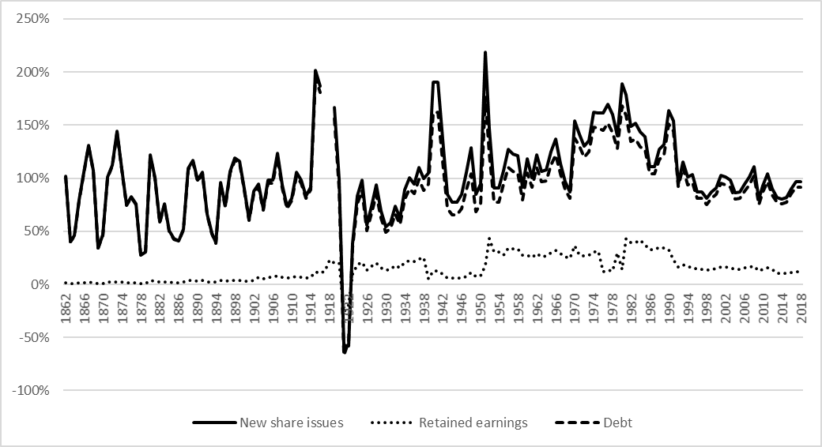
1868 | 1.074 | 0.019 | 1.066
1869 | 0.342 | 0.008 | 0.339
1870 | 0.467 | 0.010 | 0.464
1871 | 1.014 | 0.021 | 1.005
1872 | 1.125 | 0.019 | 1.116
1873 | 1.440 | 0.023 | 1.429
1874 | 1.089 | 0.019 | 1.081
1875 | 0.753 | 0.015 | 0.747
1876 | 0.829 | 0.018 | 0.822
1877 | 0.762 | 0.018 | 0.755
1878 | 0.279 | 0.009 | 0.276
1879 | 0.306 | 0.011 | 0.302
1880 | 1.221 | 0.036 | 1.204
1881 | 1.008 | 0.033 | 0.994
1882 | 0.590 | 0.023 | 0.582
1883 | 0.759 | 0.025 | 0.749
1884 | 0.509 | 0.019 | 0.502
1885 | 0.430 | 0.017 | 0.424
1886 | 0.412 | 0.017 | 0.406
1887 | 0.519 | 0.021 | 0.512
1888 | 1.092 | 0.037 | 1.076
1889 | 1.167 | 0.038 | 1.150
1890 | 0.979 | 0.033 | 0.964
1891 | 1.054 | 0.035 | 1.039
1892 | 0.661 | 0.025 | 0.651
1893 | 0.481 | 0.021 | 0.474
1894 | 0.396 | 0.020 | 0.389
1895 | 0.958 | 0.040 | 0.941
1896 | 0.743 | 0.029 | 0.731
1897 | 1.062 | 0.035 | 1.047
1898 | 1.188 | 0.037 | 1.172
1899 | 1.161 | 0.035 | 1.145
1900 | 0.900 | 0.030 | 0.888
1901 | 0.610 | 0.028 | 0.600
1902 | 0.874 | 0.038 | 0.859
1903 | 0.945 | 0.065 | 0.918
1904 | 0.718 | 0.053 | 0.697
1905 | 0.983 | 0.068 | 0.954
1906 | 0.980 | 0.068 | 0.950
1907 | 1.231 | 0.080 | 1.194
1908 | 0.934 | 0.071 | 0.904
1909 | 0.736 | 0.062 | 0.712
1910 | 0.813 | 0.065 | 0.787
1911 | 1.053 | 0.072 | 1.022
1912 | 0.979 | 0.068 | 0.950
1913 | 0.836 | 0.060 | 0.812
1914 | 0.919 | 0.066 | 0.891
1915 | 2.014 | 0.117 | 1.947
1916 | 1.865 | 0.106 | 1.807
1917 | 2.918 | 0.129 | 2.829 | The figure is truncated, and extreme spikes during World War I are excluded to increase visibility
1918 | 4.603 | 0.234 | 4.379 | The figure is truncated, and extreme spikes during World War I are excluded to increase visibility
1919 | 1.669 | 0.198 | 1.563
1920 | 0.991 | 0.203 | 0.901
1921 | -0.575 | -0.257 | -0.672
1922 | -0.578 | -0.195 | -0.534
1923 | 0.384 | 0.096 | 0.350
1924 | 0.837 | 0.185 | 0.759
1925 | 0.980 | 0.208 | 0.887
1926 | 0.556 | 0.133 | 0.505
1927 | 0.740 | 0.168 | 0.672
1928 | 0.935 | 0.200 | 0.848
1929 | 0.691 | 0.158 | 0.628
1930 | 0.540 | 0.130 | 0.491
1931 | 0.582 | 0.144 | 0.527
1932 | 0.734 | 0.178 | 0.662
1933 | 0.624 | 0.154 | 0.564
1934 | 0.895 | 0.208 | 0.805
1935 | 1.003 | 0.224 | 0.902
1936 | 0.946 | 0.215 | 0.852
1937 | 1.103 | 0.240 | 0.992
1938 | 0.998 | 0.252 | 0.885
1939 | 1.050 | 0.049 | 0.945
1940 | 1.908 | 0.127 | 1.617
1941 | 1.902 | 0.123 | 1.620
1942 | 1.367 | 0.097 | 1.152
1943 | 0.847 | 0.062 | 0.715
1944 | 0.777 | 0.057 | 0.657
1945 | 0.777 | 0.057 | 0.657
1946 | 0.847 | 0.061 | 0.716
1947 | 1.054 | 0.075 | 0.892
1948 | 1.287 | 0.112 | 1.038
1949 | 0.847 | 0.077 | 0.682
1950 | 0.942 | 0.084 | 0.759
1951 | 2.190 | 0.180 | 1.760
1952 | 1.465 | 0.429 | 1.230
1953 | 0.911 | 0.309 | 0.774
1954 | 0.910 | 0.307 | 0.774
1955 | 1.073 | 0.276 | 0.946
1956 | 1.269 | 0.341 | 1.098
1957 | 1.226 | 0.334 | 1.061
1958 | 1.211 | 0.335 | 1.046
1959 | 0.917 | 0.276 | 0.795
1960 | 1.182 | 0.276 | 1.050
1961 | 1.001 | 0.251 | 0.913
1962 | 1.218 | 0.287 | 1.101
1963 | 1.066 | 0.264 | 0.969
1964 | 1.077 | 0.270 | 0.977
1965 | 1.250 | 0.301 | 1.126
1966 | 1.367 | 0.323 | 1.223
1967 | 1.138 | 0.292 | 1.042
1968 | 0.968 | 0.264 | 0.896
1969 | 0.872 | 0.249 | 0.813
1970 | 1.541 | 0.363 | 1.377
1971 | 1.415 | 0.277 | 1.304
1972 | 1.298 | 0.267 | 1.200
1973 | 1.357 | 0.275 | 1.251
1974 | 1.623 | 0.306 | 1.484
1975 | 1.615 | 0.310 | 1.475
1976 | 1.613 | 0.121 | 1.449
1977 | 1.697 | 0.134 | 1.521
1978 | 1.598 | 0.128 | 1.429
1979 | 1.400 | 0.299 | 1.281
1980 | 1.891 | 0.140 | 1.680
1981 | 1.785 | 0.431 | 1.592
1982 | 1.488 | 0.391 | 1.349
1983 | 1.514 | 0.397 | 1.369
1984 | 1.438 | 0.419 | 1.291
1985 | 1.395 | 0.371 | 1.275
1986 | 1.111 | 0.324 | 1.042
1987 | 1.111 | 0.324 | 1.042
1988 | 1.275 | 0.352 | 1.176
1989 | 1.318 | 0.341 | 1.219
1990 | 1.638 | 0.329 | 1.512
1991 | 1.537 | 0.235 | 1.446
1992 | 0.947 | 0.161 | 0.924
1993 | 1.151 | 0.189 | 1.104
1994 | 1.008 | 0.162 | 0.937
1995 | 1.033 | 0.164 | 0.960
1996 | 0.869 | 0.145 | 0.808
1997 | 0.869 | 0.145 | 0.808
1998 | 0.812 | 0.138 | 0.755
1999 | 0.869 | 0.145 | 0.808
2000 | 0.910 | 0.150 | 0.846
2001 | 1.025 | 0.163 | 0.952
2002 | 1.008 | 0.162 | 0.937
2003 | 0.984 | 0.159 | 0.914
2004 | 0.861 | 0.144 | 0.800
2005 | 0.869 | 0.145 | 0.808
2006 | 0.943 | 0.154 | 0.876
2007 | 1.008 | 0.162 | 0.937
2008 | 1.106 | 0.172 | 1.028
2009 | 0.801 | 0.127 | 0.749
2010 | 0.933 | 0.143 | 0.871
2011 | 1.039 | 0.154 | 0.970
2012 | 0.900 | 0.139 | 0.841
2013 | 0.821 | 0.107 | 0.777
2014 | 0.805 | 0.106 | 0.762
2015 | 0.821 | 0.107 | 0.777
2016 | 0.903 | 0.115 | 0.854
2017 | 0.968 | 0.121 | 0.916
2018 | 0.968 | 0.121 | 0.916

Figure 6
Figure 6. The marginal effective tax rate (METR), private foundations and direct individual ownership (DIO), new share issues, 1862–2018.

Year | Foundation | Foundation cash flow | DIO
1862 | 0.018 | 1.023 | 0.018
1863 | 0.009 | 0.403 | 0.009
1864 | 0.010 | 0.460 | 0.010
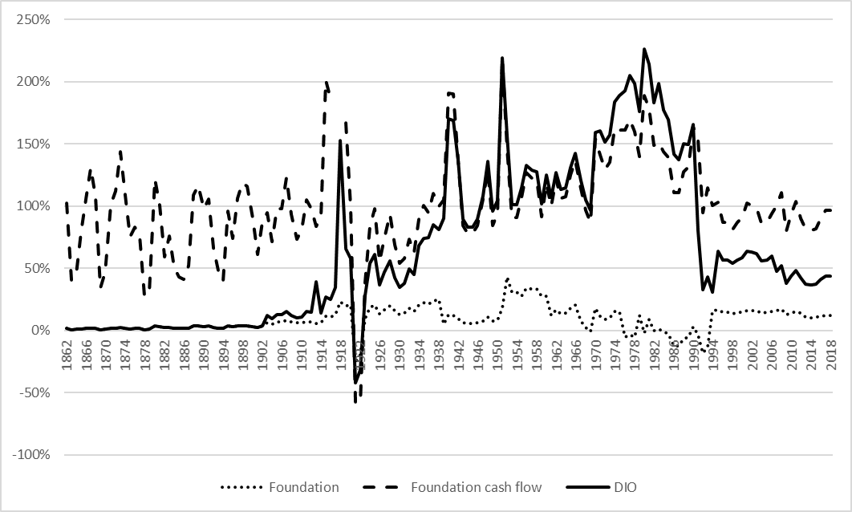
1865 | 0.015 | 0.793 | 0.015
1866 | 0.019 | 1.059 | 0.019
1867 | 0.021 | 1.309 | 0.021
1868 | 0.019 | 1.074 | 0.019
1869 | 0.008 | 0.342 | 0.008
1870 | 0.010 | 0.467 | 0.010
1871 | 0.021 | 1.014 | 0.021
1872 | 0.019 | 1.125 | 0.019
1873 | 0.023 | 1.440 | 0.023
1874 | 0.019 | 1.089 | 0.019
1875 | 0.015 | 0.753 | 0.015
1876 | 0.018 | 0.829 | 0.018
1877 | 0.018 | 0.762 | 0.018
1878 | 0.009 | 0.279 | 0.009
1879 | 0.011 | 0.306 | 0.011
1880 | 0.036 | 1.221 | 0.036
1881 | 0.033 | 1.008 | 0.033
1882 | 0.023 | 0.590 | 0.023
1883 | 0.025 | 0.759 | 0.025
1884 | 0.019 | 0.509 | 0.019
1885 | 0.017 | 0.430 | 0.017
1886 | 0.017 | 0.412 | 0.017
1887 | 0.021 | 0.519 | 0.021
1888 | 0.037 | 1.092 | 0.037
1889 | 0.038 | 1.167 | 0.038
1890 | 0.033 | 0.979 | 0.033
1891 | 0.035 | 1.054 | 0.035
1892 | 0.025 | 0.661 | 0.025
1893 | 0.021 | 0.481 | 0.021
1894 | 0.020 | 0.396 | 0.020
1895 | 0.040 | 0.958 | 0.040
1896 | 0.029 | 0.743 | 0.029
1897 | 0.035 | 1.062 | 0.035
1898 | 0.037 | 1.188 | 0.037
1899 | 0.035 | 1.161 | 0.035
1900 | 0.030 | 0.900 | 0.030
1901 | 0.028 | 0.610 | 0.028
1902 | 0.038 | 0.874 | 0.038
1903 | 0.065 | 0.945 | 0.120
1904 | 0.053 | 0.718 | 0.095
1905 | 0.068 | 0.983 | 0.126
1906 | 0.068 | 0.980 | 0.125
1907 | 0.080 | 1.231 | 0.152
1908 | 0.071 | 0.934 | 0.125
1909 | 0.062 | 0.736 | 0.105
1910 | 0.065 | 0.813 | 0.112
1911 | 0.072 | 1.053 | 0.155
1912 | 0.068 | 0.979 | 0.147
1913 | 0.060 | 0.836 | 0.394
1914 | 0.066 | 0.919 | 0.140
1915 | 0.117 | 2.014 | 0.269
1916 | 0.106 | 1.865 | 0.248
1917 | 0.129 | 2.918 | 0.348 | The figure is truncated, and extreme spikes during World War I are excluded to increase visibility
1918 | 0.234 | 4.603 | 1.528 | The figure is truncated, and extreme spikes during World War I are excluded to increase visibility
1919 | 0.198 | 1.669 | 0.659
1920 | 0.203 | 0.991 | 0.578
1921 | -0.257 | -0.575 | -0.418
1922 | -0.195 | -0.578 | -0.317
1923 | 0.096 | 0.384 | 0.281
1924 | 0.185 | 0.837 | 0.539
1925 | 0.208 | 0.980 | 0.610
1926 | 0.133 | 0.556 | 0.367
1927 | 0.168 | 0.740 | 0.469
1928 | 0.200 | 0.935 | 0.558
1929 | 0.158 | 0.691 | 0.423
1930 | 0.130 | 0.540 | 0.346
1931 | 0.144 | 0.582 | 0.379
1932 | 0.178 | 0.734 | 0.498
1933 | 0.154 | 0.624 | 0.451
1934 | 0.208 | 0.895 | 0.682
1935 | 0.224 | 1.003 | 0.744
1936 | 0.215 | 0.946 | 0.749
1937 | 0.240 | 1.103 | 0.848
1938 | 0.252 | 0.998 | 0.814
1939 | 0.049 | 1.050 | 0.901
1940 | 0.127 | 1.908 | 1.704
1941 | 0.123 | 1.902 | 1.692
1942 | 0.097 | 1.367 | 1.370
1943 | 0.062 | 0.847 | 0.896
1944 | 0.057 | 0.777 | 0.833
1945 | 0.057 | 0.777 | 0.833
1946 | 0.061 | 0.847 | 0.896
1947 | 0.075 | 1.054 | 1.083
1948 | 0.112 | 1.287 | 1.364
1949 | 0.077 | 0.847 | 0.960
1950 | 0.084 | 0.942 | 1.047
1951 | 0.180 | 2.190 | 2.195
1952 | 0.429 | 1.465 | 1.564
1953 | 0.309 | 0.911 | 1.011
1954 | 0.307 | 0.910 | 1.010
1955 | 0.276 | 1.073 | 1.146
1956 | 0.341 | 1.269 | 1.325
1957 | 0.334 | 1.226 | 1.288
1958 | 0.335 | 1.211 | 1.279
1959 | 0.276 | 0.917 | 1.017
1960 | 0.276 | 1.182 | 1.251
1961 | 0.120 | 1.001 | 1.073
1962 | 0.167 | 1.218 | 1.271
1963 | 0.135 | 1.066 | 1.134
1964 | 0.140 | 1.077 | 1.149
1965 | 0.179 | 1.250 | 1.310
1966 | 0.206 | 1.367 | 1.422
1967 | 0.074 | 1.138 | 1.206
1968 | 0.025 | 0.968 | 1.051
1969 | -0.004 | 0.872 | 0.965
1970 | 0.179 | 1.541 | 1.591
1971 | 0.114 | 1.415 | 1.609
1972 | 0.092 | 1.298 | 1.515
1973 | 0.105 | 1.357 | 1.575
1974 | 0.155 | 1.623 | 1.837
1975 | 0.156 | 1.615 | 1.888
1976 | -0.053 | 1.613 | 1.929
1977 | -0.035 | 1.697 | 2.052
1978 | -0.052 | 1.598 | 1.986
1979 | 0.121 | 1.400 | 1.762
1980 | -0.023 | 1.891 | 2.261
1981 | 0.087 | 1.785 | 2.142
1982 | 0.002 | 1.488 | 1.831
1983 | 0.011 | 1.514 | 1.989
1984 | -0.009 | 1.438 | 1.774
1985 | -0.027 | 1.395 | 1.695
1986 | -0.123 | 1.111 | 1.417
1987 | -0.123 | 1.111 | 1.372
1988 | -0.066 | 1.275 | 1.500
1989 | -0.052 | 1.318 | 1.494
1990 | 0.029 | 1.638 | 1.659
1991 | -0.034 | 1.537 | 0.805
1992 | -0.183 | 0.947 | 0.329
1993 | -0.127 | 1.151 | 0.431
1994 | 0.162 | 1.008 | 0.312
1995 | 0.164 | 1.033 | 0.640
1996 | 0.145 | 0.869 | 0.566
1997 | 0.145 | 0.869 | 0.566
1998 | 0.138 | 0.812 | 0.540
1999 | 0.145 | 0.869 | 0.566
2000 | 0.150 | 0.910 | 0.585
2001 | 0.163 | 1.025 | 0.636
2002 | 0.162 | 1.008 | 0.629
2003 | 0.159 | 0.984 | 0.618
2004 | 0.144 | 0.861 | 0.563
2005 | 0.145 | 0.869 | 0.566
2006 | 0.154 | 0.943 | 0.600
2007 | 0.162 | 1.008 | 0.479
2008 | 0.172 | 1.106 | 0.523
2009 | 0.127 | 0.801 | 0.380
2010 | 0.143 | 0.933 | 0.439
2011 | 0.154 | 1.039 | 0.486
2012 | 0.139 | 0.900 | 0.424
2013 | 0.107 | 0.821 | 0.375
2014 | 0.106 | 0.805 | 0.368
2015 | 0.107 | 0.821 | 0.375
2016 | 0.115 | 0.903 | 0.411
2017 | 0.121 | 0.968 | 0.439
2018 | 0.121 | 0.968 | 0.439

Figure 7
Figure 7. The marginal effective tax rate (METR), private foundations and direct individual ownership (DIO), retained earnings, 1862–2018.

Year | Foundation | DIO
1862 | 0.018 | 0.018
1863 | 0.009 | 0.009
1864 | 0.010 | 0.010
1865 | 0.015 | 0.015
1866 | 0.019 | 0.019
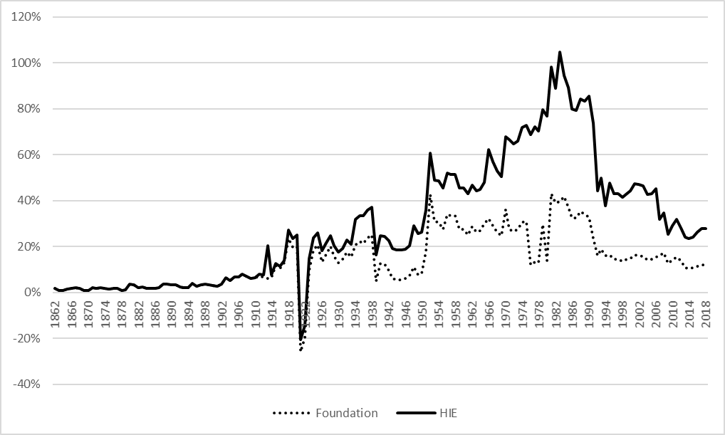
1867 | 0.021 | 0.021
1868 | 0.019 | 0.019
1869 | 0.008 | 0.008
1870 | 0.010 | 0.010
1871 | 0.021 | 0.021
1872 | 0.019 | 0.019
1873 | 0.023 | 0.023
1874 | 0.019 | 0.019
1875 | 0.015 | 0.015
1876 | 0.018 | 0.018
1877 | 0.018 | 0.018
1878 | 0.009 | 0.009
1879 | 0.011 | 0.011
1880 | 0.036 | 0.036
1881 | 0.033 | 0.033
1882 | 0.023 | 0.023
1883 | 0.025 | 0.025
1884 | 0.019 | 0.019
1885 | 0.017 | 0.017
1886 | 0.017 | 0.017
1887 | 0.021 | 0.021
1888 | 0.037 | 0.037
1889 | 0.038 | 0.038
1890 | 0.033 | 0.033
1891 | 0.035 | 0.035
1892 | 0.025 | 0.025
1893 | 0.021 | 0.021
1894 | 0.020 | 0.020
1895 | 0.040 | 0.040
1896 | 0.029 | 0.029
1897 | 0.035 | 0.035
1898 | 0.037 | 0.037
1899 | 0.035 | 0.035
1900 | 0.030 | 0.030
1901 | 0.028 | 0.028
1902 | 0.038 | 0.038
1903 | 0.065 | 0.065
1904 | 0.053 | 0.053
1905 | 0.068 | 0.068
1906 | 0.068 | 0.068
1907 | 0.080 | 0.080
1908 | 0.071 | 0.071
1909 | 0.062 | 0.062
1910 | 0.065 | 0.065
1911 | 0.072 | 0.082
1912 | 0.068 | 0.078
1913 | 0.060 | 0.205
1914 | 0.066 | 0.076
1915 | 0.117 | 0.127
1916 | 0.106 | 0.116
1917 | 0.129 | 0.139
1918 | 0.234 | 0.272
1919 | 0.198 | 0.236
1920 | 0.203 | 0.251
1921 | -0.257 | -0.204
1922 | -0.195 | -0.142
1923 | 0.096 | 0.149
1924 | 0.185 | 0.238
1925 | 0.208 | 0.260
1926 | 0.133 | 0.183
1927 | 0.168 | 0.218
1928 | 0.200 | 0.247
1929 | 0.158 | 0.204
1930 | 0.130 | 0.176
1931 | 0.144 | 0.190
1932 | 0.178 | 0.230
1933 | 0.154 | 0.212
1934 | 0.208 | 0.319
1935 | 0.224 | 0.336
1936 | 0.215 | 0.333
1937 | 0.240 | 0.358
1938 | 0.252 | 0.373
1939 | 0.049 | 0.163
1940 | 0.127 | 0.247
1941 | 0.123 | 0.244
1942 | 0.097 | 0.226
1943 | 0.062 | 0.190
1944 | 0.057 | 0.186
1945 | 0.057 | 0.185
1946 | 0.061 | 0.190
1947 | 0.075 | 0.204
1948 | 0.112 | 0.292
1949 | 0.077 | 0.257
1950 | 0.084 | 0.264
1951 | 0.180 | 0.360
1952 | 0.429 | 0.609
1953 | 0.309 | 0.489
1954 | 0.307 | 0.487
1955 | 0.276 | 0.456
1956 | 0.341 | 0.521
1957 | 0.334 | 0.514
1958 | 0.335 | 0.515
1959 | 0.276 | 0.456
1960 | 0.276 | 0.456
1961 | 0.251 | 0.431
1962 | 0.287 | 0.467
1963 | 0.264 | 0.444
1964 | 0.270 | 0.450
1965 | 0.301 | 0.481
1966 | 0.323 | 0.622
1967 | 0.292 | 0.571
1968 | 0.264 | 0.529
1969 | 0.249 | 0.505
1970 | 0.363 | 0.680
1971 | 0.277 | 0.667
1972 | 0.267 | 0.647
1973 | 0.275 | 0.661
1974 | 0.306 | 0.720
1975 | 0.310 | 0.730
1976 | 0.121 | 0.688
1977 | 0.134 | 0.723
1978 | 0.128 | 0.705
1979 | 0.299 | 0.796
1980 | 0.140 | 0.769
1981 | 0.431 | 0.983
1982 | 0.391 | 0.891
1983 | 0.397 | 1.048
1984 | 0.419 | 0.946
1985 | 0.371 | 0.892
1986 | 0.324 | 0.800
1987 | 0.324 | 0.794
1988 | 0.352 | 0.842
1989 | 0.341 | 0.833
1990 | 0.329 | 0.855
1991 | 0.235 | 0.739
1992 | 0.161 | 0.444
1993 | 0.189 | 0.499
1994 | 0.162 | 0.378
1995 | 0.164 | 0.477
1996 | 0.145 | 0.431
1997 | 0.145 | 0.431
1998 | 0.138 | 0.414
1999 | 0.145 | 0.431
2000 | 0.150 | 0.442
2001 | 0.163 | 0.475
2002 | 0.162 | 0.470
2003 | 0.159 | 0.463
2004 | 0.144 | 0.428
2005 | 0.145 | 0.431
2006 | 0.154 | 0.452
2007 | 0.162 | 0.320
2008 | 0.172 | 0.348
2009 | 0.127 | 0.254
2010 | 0.143 | 0.291
2011 | 0.154 | 0.320
2012 | 0.139 | 0.282
2013 | 0.107 | 0.241
2014 | 0.106 | 0.237
2015 | 0.107 | 0.241
2016 | 0.115 | 0.263
2017 | 0.121 | 0.280
2018 | 0.121 | 0.280

Figure 8
Figure 8. The marginal effective tax rate (METR), private foundations and direct individual ownership (DIO), debt, 1862–2018.

Year | Foundation | Foundation cash flow | DIO
1862 | -0.021 | 1.015 | 0.018
1863 | -0.007 | 0.400 | 0.009
1864 | -0.008 | 0.457 | 0.010
1865 | -0.015 | 0.787 | 0.015
1866 | -0.022 | 1.051 | 0.019
1867 | -0.028 | 1.299 | 0.021
1868 | -0.022 | 1.066 | 0.019
1869 | -0.005 | 0.339 | 0.008
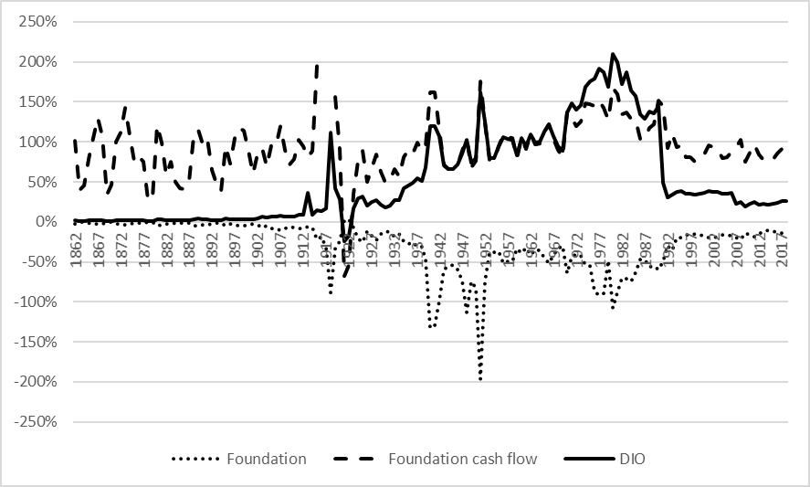
1870 | -0.008 | 0.464 | 0.010
1871 | -0.024 | 1.005 | 0.021
1872 | -0.023 | 1.116 | 0.019
1873 | -0.032 | 1.429 | 0.023
1874 | -0.022 | 1.081 | 0.019
1875 | -0.015 | 0.747 | 0.015
1876 | -0.019 | 0.822 | 0.018
1877 | -0.017 | 0.755 | 0.018
1878 | -0.006 | 0.276 | 0.009
1879 | -0.008 | 0.302 | 0.011
1880 | -0.046 | 1.204 | 0.036
1881 | -0.037 | 0.994 | 0.033
1882 | -0.020 | 0.582 | 0.023
1883 | -0.025 | 0.749 | 0.025
1884 | -0.016 | 0.502 | 0.019
1885 | -0.013 | 0.424 | 0.017
1886 | -0.013 | 0.406 | 0.017
1887 | -0.018 | 0.512 | 0.021
1888 | -0.044 | 1.076 | 0.037
1889 | -0.047 | 1.150 | 0.038
1890 | -0.037 | 0.964 | 0.033
1891 | -0.041 | 1.039 | 0.035
1892 | -0.023 | 0.651 | 0.025
1893 | -0.017 | 0.474 | 0.021
1894 | -0.015 | 0.389 | 0.020
1895 | -0.044 | 0.941 | 0.040
1896 | -0.028 | 0.731 | 0.029
1897 | -0.041 | 1.047 | 0.035
1898 | -0.046 | 1.172 | 0.037
1899 | -0.044 | 1.145 | 0.035
1900 | -0.032 | 0.888 | 0.030
1901 | -0.025 | 0.600 | 0.028
1902 | -0.041 | 0.859 | 0.038
1903 | -0.073 | 0.918 | 0.065
1904 | -0.052 | 0.697 | 0.053
1905 | -0.078 | 0.954 | 0.068
1906 | -0.078 | 0.950 | 0.068
1907 | -0.105 | 1.194 | 0.080
1908 | -0.079 | 0.904 | 0.071
1909 | -0.061 | 0.712 | 0.062
1910 | -0.067 | 0.787 | 0.065
1911 | -0.085 | 1.022 | 0.094
1912 | -0.078 | 0.950 | 0.090
1913 | -0.063 | 0.812 | 0.363
1914 | -0.073 | 0.891 | 0.087
1915 | -0.217 | 1.947 | 0.151
1916 | -0.184 | 1.807 | 0.138
1917 | -0.319 | 2.829 | 0.175 | The figure is truncated, and extreme spikes during World War I are excluded to increase visibility
1918 | -0.887 | 4.379 | 1.121 | The figure is truncated, and extreme spikes during World War I are excluded to increase visibility
1919 | -0.333 | 1.563 | 0.423
1920 | -0.247 | 0.901 | 0.279
1921 | 0.018 | -0.672 | -0.243
1922 | 0.029 | -0.534 | -0.174
1923 | -0.074 | 0.350 | 0.174
1924 | -0.204 | 0.759 | 0.293
1925 | -0.252 | 0.887 | 0.316
1926 | -0.119 | 0.505 | 0.203
1927 | -0.173 | 0.672 | 0.247
1928 | -0.236 | 0.848 | 0.269
1929 | -0.157 | 0.628 | 0.212
1930 | -0.115 | 0.491 | 0.182
1931 | -0.131 | 0.527 | 0.199
1932 | -0.182 | 0.662 | 0.277
1933 | -0.145 | 0.564 | 0.274
1934 | -0.240 | 0.805 | 0.423
1935 | -0.277 | 0.902 | 0.454
1936 | -0.256 | 0.852 | 0.492
1937 | -0.316 | 0.992 | 0.545
1938 | -0.315 | 0.885 | 0.516
1939 | -0.475 | 0.945 | 0.687
1940 | -1.327 | 1.617 | 1.201
1941 | -1.291 | 1.620 | 1.198
1942 | -0.980 | 1.152 | 1.069
1943 | -0.596 | 0.715 | 0.711
1944 | -0.545 | 0.657 | 0.664
1945 | -0.544 | 0.657 | 0.664
1946 | -0.593 | 0.716 | 0.712
1947 | -0.736 | 0.892 | 0.854
1948 | -1.134 | 1.038 | 1.026
1949 | -0.746 | 0.682 | 0.738
1950 | -0.828 | 0.759 | 0.800
1951 | -1.970 | 1.760 | 1.616
1952 | -0.743 | 1.230 | 1.256
1953 | -0.376 | 0.774 | 0.802
1954 | -0.374 | 0.774 | 0.801
1955 | -0.363 | 0.946 | 0.950
1956 | -0.514 | 1.098 | 1.063
1957 | -0.491 | 1.061 | 1.036
1958 | -0.489 | 1.046 | 1.030
1959 | -0.332 | 0.795 | 0.834
1960 | -0.385 | 1.050 | 1.053
1961 | -0.319 | 0.913 | 0.943
1962 | -0.416 | 1.101 | 1.098
1963 | -0.349 | 0.969 | 0.991
1964 | -0.360 | 0.977 | 1.003
1965 | -0.446 | 1.126 | 1.129
1966 | -0.512 | 1.223 | 1.217
1967 | -0.410 | 1.042 | 1.068
1968 | -0.335 | 0.896 | 0.949
1969 | -0.297 | 0.813 | 0.883
1970 | -0.638 | 1.377 | 1.365
1971 | -0.441 | 1.304 | 1.478
1972 | -0.401 | 1.200 | 1.406
1973 | -0.426 | 1.251 | 1.458
1974 | -0.541 | 1.484 | 1.684
1975 | -0.547 | 1.475 | 1.756
1976 | -0.874 | 1.449 | 1.791
1977 | -0.917 | 1.521 | 1.918
1978 | -0.893 | 1.429 | 1.874
1979 | -0.477 | 1.281 | 1.685
1980 | -1.079 | 1.680 | 2.103
1981 | -0.881 | 1.592 | 1.996
1982 | -0.695 | 1.349 | 1.727
1983 | -0.716 | 1.369 | 1.873
1984 | -0.743 | 1.291 | 1.642
1985 | -0.626 | 1.275 | 1.575
1986 | -0.468 | 1.042 | 1.349
1987 | -0.468 | 1.042 | 1.294
1988 | -0.558 | 1.176 | 1.380
1989 | -0.546 | 1.219 | 1.360
1990 | -0.598 | 1.512 | 1.447
1991 | -0.492 | 1.446 | 0.485
1992 | -0.298 | 0.924 | 0.311
1993 | -0.360 | 1.104 | 0.339
1994 | -0.195 | 0.937 | 0.379
1995 | -0.201 | 0.960 | 0.384
1996 | -0.160 | 0.808 | 0.353
1997 | -0.160 | 0.808 | 0.353
1998 | -0.146 | 0.755 | 0.342
1999 | -0.160 | 0.808 | 0.353
2000 | -0.170 | 0.846 | 0.361
2001 | -0.199 | 0.952 | 0.382
2002 | -0.195 | 0.937 | 0.379
2003 | -0.189 | 0.914 | 0.375
2004 | -0.158 | 0.800 | 0.351
2005 | -0.160 | 0.808 | 0.353
2006 | -0.178 | 0.876 | 0.367
2007 | -0.195 | 0.937 | 0.229
2008 | -0.221 | 1.028 | 0.247
2009 | -0.134 | 0.749 | 0.197
2010 | -0.164 | 0.871 | 0.225
2011 | -0.189 | 0.970 | 0.246
2012 | -0.156 | 0.841 | 0.218
2013 | -0.113 | 0.777 | 0.221
2014 | -0.110 | 0.762 | 0.217
2015 | -0.113 | 0.777 | 0.221
2016 | -0.128 | 0.854 | 0.240
2017 | -0.140 | 0.916 | 0.256
2018 | -0.140 | 0.916 | 0.256

Figure 9
Figure 9. The top inheritance marginal tax rate for shares registered on a stock exchange, class I, 1885–2004.

 | Foundation CFE
1860 | 0
1861 | 0
1862 | 0
1863 | 0
1864 | 0
1865 | 0
1866 | 0
1867 | 0
1868 | 0
1869 | 0
1870 | 0
1871 | 0
1872 | 0
1873 | 0
1874 | 0
1875 | 0
1876 | 0
1877 | 0
1878 | 0
1879 | 0
1880 | 0
1881 | 0
1882 | 0
1883 | 0
1884 | 0
1885 | 0.5
1886 | 0.5
1887 | 0.5
1888 | 0.5
1889 | 0.5
1890 | 0.5
1891 | 0.5
1892 | 0.5
1893 | 0.5
1894 | 0.5
1895 | 1.5
1896 | 1.5
1897 | 1.5
1898 | 1.5
1899 | 1.5
1900 | 1.5
1901 | 1.5
1902 | 1.5
1903 | 1.5
1904 | 1.5
1905 | 1.5
1906 | 1.5
1907 | 1.5
1908 | 1.5
1909 | 1.5
...
Year | Effective tax rate
1860 | 0
1861 | 0
1862 | 0
1863 | 0
1864 | 0
1865 | 0
1866 | 0
1867 | 0
1868 | 0
1869 | 0
1870 | 0
1871 | 0
1872 | 0
1873 | 0
1874 | 0
1875 | 0
1876 | 0
1877 | 0
1878 | 0
1879 | 0
1880 | 0
1881 | 0
1882 | 0
1883 | 0
1884 | 0
1885 | 0.5
1886 | 0.5
1887 | 0.5
1888 | 0.5
1889 | 0.5
1890 | 0.5
1891 | 0.5
1892 | 0.5
1893 | 0.5
1894 | 0.5
1895 | 1.5
1896 | 1.5
1897 | 1.5
1898 | 1.5
1899 | 1.5
1900 | 1.5
1901 | 1.5
1902 | 1.5
1903 | 1.5
1904 | 1.5
1905 | 1.5
1906 | 1.5
1907 | 1.5
1908 | 1.5
1909 | 1.5
1910 | 4
1911 | 4
1912 | 4
1913 | 4
1914 | 4
1915 | 4
1916 | 4
1917 | 4
1918 | 4
1919 | 4
1920 | 4
1921 | 4
1922 | 4
1923 | 4
1924 | 4
1925 | 4
1926 | 4
1927 | 4
1928 | 4
1929 | 4
1930 | 4
1931 | 4
1932 | 4
1933 | 4
1934 | 20
1935 | 20
1936 | 20
1937 | 20
1938 | 20
1939 | 20
1940 | 20
1941 | 20
1942 | 20
1943 | 20
1944 | 20
1945 | 20
1946 | 20
1947 | 20
1948 | 60
1949 | 60
1950 | 60
1951 | 60
1952 | 60
1953 | 60
1954 | 60
1955 | 60
1956 | 60
1957 | 60
1958 | 60
1959 | 60
1960 | 60
1961 | 60
1962 | 60
1963 | 60
1964 | 60
1965 | 60
1966 | 60
1967 | 60
1968 | 60
1969 | 60
1970 | 60
1971 | 65
1972 | 65
1973 | 65
1974 | 65
1975 | 65
1976 | 65
1977 | 65
1978 | 48.75
1979 | 48.75
1980 | 48.75
1981 | 48.75
1982 | 48.75
1983 | 52.5
1984 | 52.5
1985 | 52.5
1986 | 52.5
1987 | 45
1988 | 45
1989 | 45
1990 | 45
1991 | 45
1992 | 22.5
1993 | 22.5
1994 | 22.5
1995 | 22.5
1996 | 22.5
1997 | 24
1998 | 24
1999 | 24
2000 | 24
2001 | 24
2002 | 24
2003 | 24
2004 | 24
2005 | 0
2006 | 0
2007 | 0
2008 | 0
2009 | 0
2010 | 0
2011 | 0
2012 | 0
2013 | 0
2014 | 0
2015 | 0
2016 | 0
2017 | 0
2018 | 0

Figure C1
Figure C1. The marginal effective tax rate (METR) for private foundations direct individual ownership (DIO), 1862–2018.

Year | Foundation cash flow | DIO
1862 | 0.420 | 0.018
1863 | 0.166 | 0.009
1864 | 0.190 | 0.010
1865 | 0.326 | 0.015
1866 | 0.435 | 0.019
1867 | 0.537 | 0.021
1868 | 0.441 | 0.019
1869 | 0.141 | 0.008
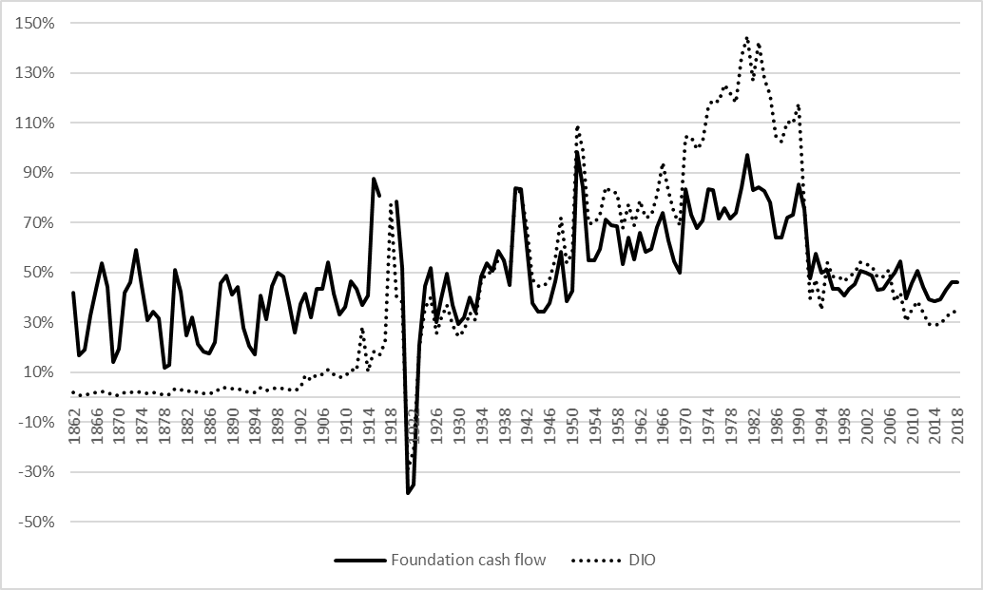
1870 | 0.193 | 0.010
1871 | 0.418 | 0.021
1872 | 0.461 | 0.019
1873 | 0.590 | 0.023
1874 | 0.447 | 0.019
1875 | 0.310 | 0.015
1876 | 0.342 | 0.018
1877 | 0.315 | 0.018
1878 | 0.117 | 0.009
1879 | 0.129 | 0.011
1880 | 0.510 | 0.036
1881 | 0.423 | 0.033
1882 | 0.250 | 0.023
1883 | 0.319 | 0.025
1884 | 0.215 | 0.019
1885 | 0.182 | 0.017
1886 | 0.175 | 0.017
1887 | 0.220 | 0.021
1888 | 0.459 | 0.037
1889 | 0.489 | 0.038
1890 | 0.411 | 0.033
1891 | 0.443 | 0.035
1892 | 0.280 | 0.025
1893 | 0.205 | 0.021
1894 | 0.171 | 0.020
1895 | 0.407 | 0.040
1896 | 0.314 | 0.029
1897 | 0.446 | 0.035
1898 | 0.497 | 0.037
1899 | 0.486 | 0.035
1900 | 0.378 | 0.030
1901 | 0.261 | 0.028
1902 | 0.373 | 0.038
1903 | 0.417 | 0.087
1904 | 0.319 | 0.070
1905 | 0.434 | 0.091
1906 | 0.433 | 0.091
1907 | 0.541 | 0.109
1908 | 0.416 | 0.093
1909 | 0.332 | 0.079
1910 | 0.364 | 0.083
1911 | 0.464 | 0.111
1912 | 0.433 | 0.106
1913 | 0.371 | 0.281
1914 | 0.407 | 0.102
1915 | 0.876 | 0.184
1916 | 0.809 | 0.169
1917 | 1.245 | 0.223 | The figure is truncated, and extreme spikes during World War I are excluded to increase visibility
1918 | 1.982 | 0.775 | The figure is truncated, and extreme spikes during World War I are excluded to increase visibility
1919 | 0.786 | 0.405
1920 | 0.518 | 0.382
1921 | -0.384 | -0.290
1922 | -0.348 | -0.212
1923 | 0.212 | 0.202
1924 | 0.446 | 0.358
1925 | 0.517 | 0.400
1926 | 0.302 | 0.257
1927 | 0.397 | 0.318
1928 | 0.494 | 0.371
1929 | 0.371 | 0.292
1930 | 0.294 | 0.244
1931 | 0.319 | 0.266
1932 | 0.400 | 0.337
1933 | 0.342 | 0.308
1934 | 0.482 | 0.464
1935 | 0.535 | 0.499
1936 | 0.507 | 0.499
1937 | 0.585 | 0.554
1938 | 0.550 | 0.549
1939 | 0.449 | 0.458
1940 | 0.839 | 0.830
1941 | 0.835 | 0.823
1942 | 0.605 | 0.684
1943 | 0.376 | 0.473
1944 | 0.345 | 0.445
1945 | 0.345 | 0.444
1946 | 0.375 | 0.472
1947 | 0.467 | 0.555
1948 | 0.582 | 0.721
1949 | 0.385 | 0.538
1950 | 0.427 | 0.577
1951 | 0.984 | 1.094
1952 | 0.843 | 0.991
1953 | 0.549 | 0.698
1954 | 0.548 | 0.696
1955 | 0.595 | 0.732
1956 | 0.712 | 0.843
1957 | 0.691 | 0.824
1958 | 0.685 | 0.821
1959 | 0.532 | 0.680
1960 | 0.638 | 0.774
1961 | 0.551 | 0.688
1962 | 0.660 | 0.789
1963 | 0.584 | 0.720
1964 | 0.593 | 0.730
1965 | 0.681 | 0.813
1966 | 0.740 | 0.942
1967 | 0.630 | 0.825
1968 | 0.546 | 0.738
1969 | 0.498 | 0.689
1970 | 0.834 | 1.044
1971 | 0.732 | 1.044
1972 | 0.680 | 0.994
1973 | 0.708 | 1.026
1974 | 0.833 | 1.167
1975 | 0.832 | 1.193
1976 | 0.718 | 1.184
1977 | 0.759 | 1.255
1978 | 0.716 | 1.217
1979 | 0.739 | 1.183
1980 | 0.840 | 1.366
1981 | 0.973 | 1.447
1982 | 0.830 | 1.267
1983 | 0.844 | 1.424
1984 | 0.827 | 1.277
1985 | 0.780 | 1.213
1986 | 0.639 | 1.047
1987 | 0.639 | 1.025
1988 | 0.721 | 1.105
1989 | 0.731 | 1.097
1990 | 0.852 | 1.177
1991 | 0.756 | 0.765
1992 | 0.475 | 0.398
1993 | 0.574 | 0.472
1994 | 0.500 | 0.351
1995 | 0.512 | 0.542
1996 | 0.435 | 0.485
1997 | 0.435 | 0.485
1998 | 0.407 | 0.464
1999 | 0.435 | 0.485
2000 | 0.454 | 0.499
2001 | 0.508 | 0.539
2002 | 0.500 | 0.534
2003 | 0.489 | 0.525
2004 | 0.431 | 0.482
2005 | 0.435 | 0.485
2006 | 0.469 | 0.511
2007 | 0.500 | 0.384
2008 | 0.546 | 0.418
2009 | 0.397 | 0.304
2010 | 0.459 | 0.350
2011 | 0.508 | 0.386
2012 | 0.443 | 0.339
2013 | 0.393 | 0.295
2014 | 0.385 | 0.289
2015 | 0.393 | 0.295
2016 | 0.430 | 0.322
2017 | 0.460 | 0.343
2018 | 0.460 | 0.343

